Sheet1
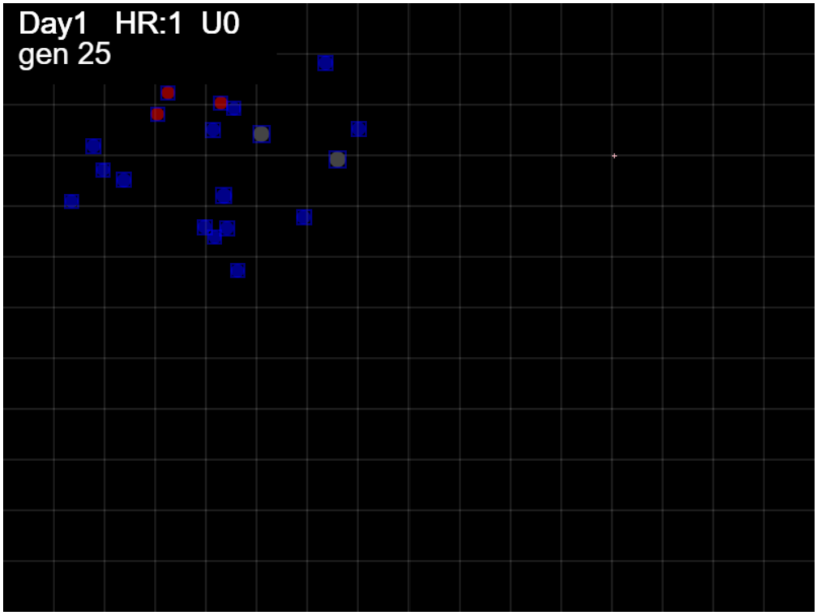

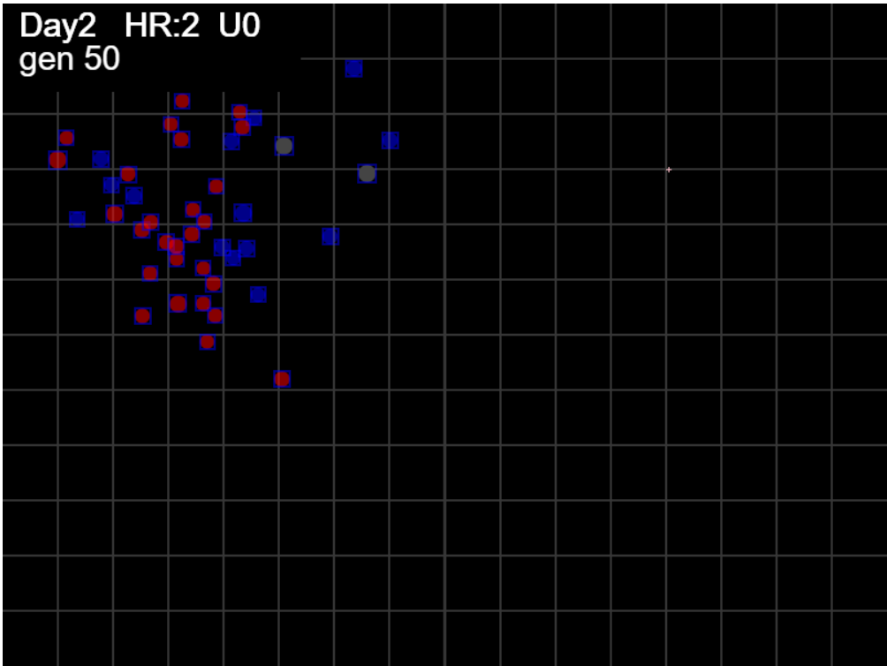

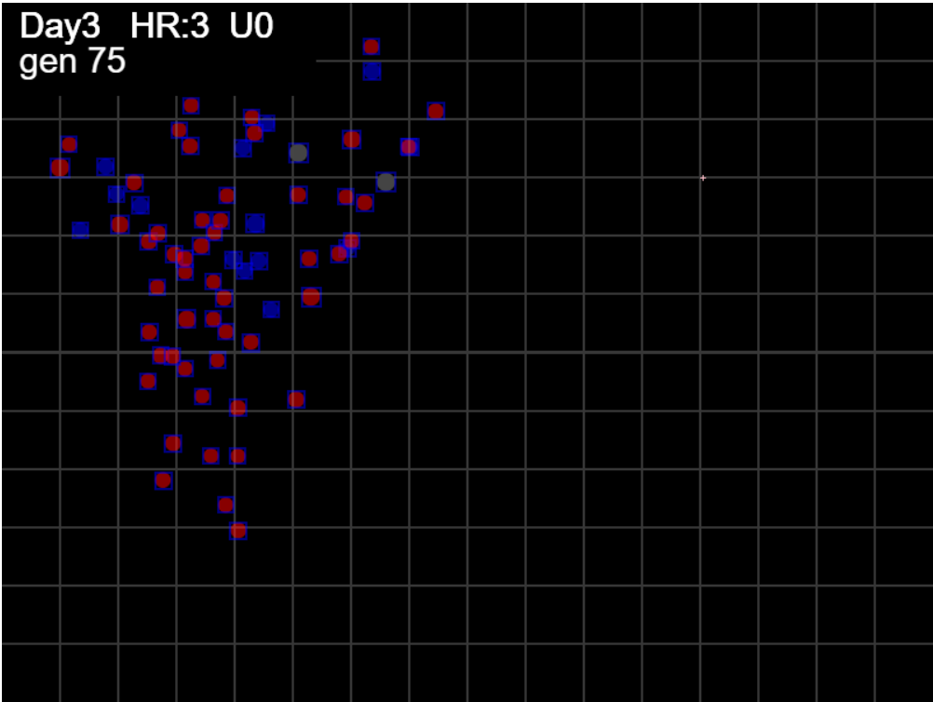

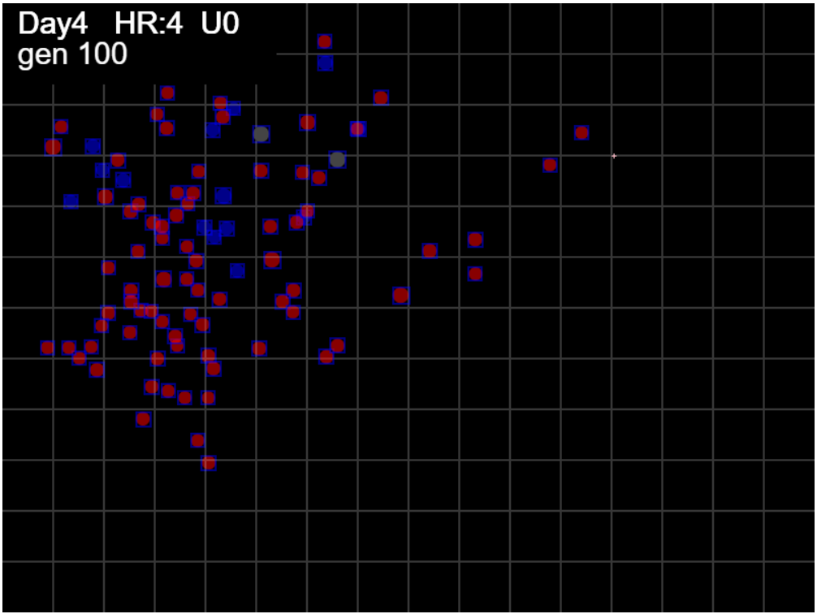

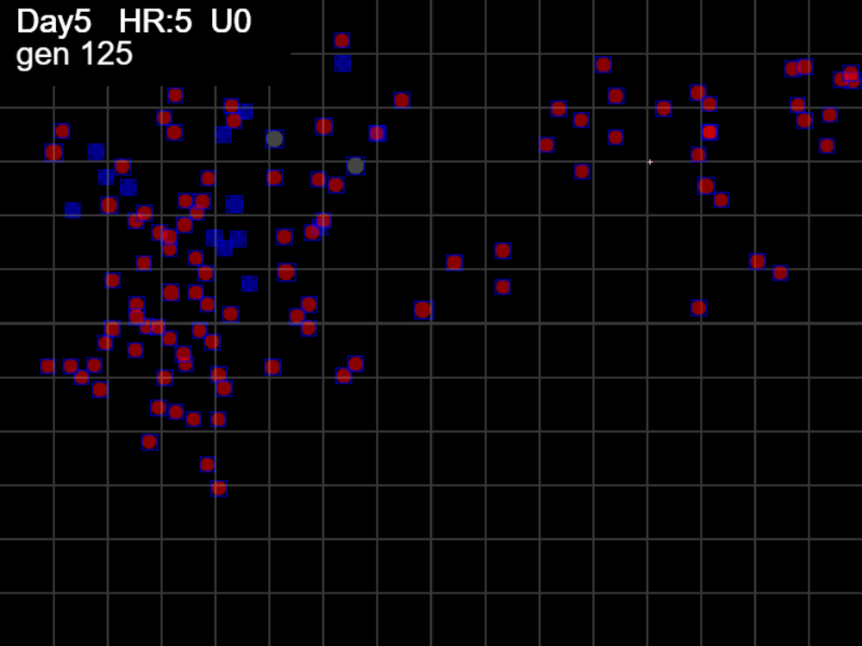

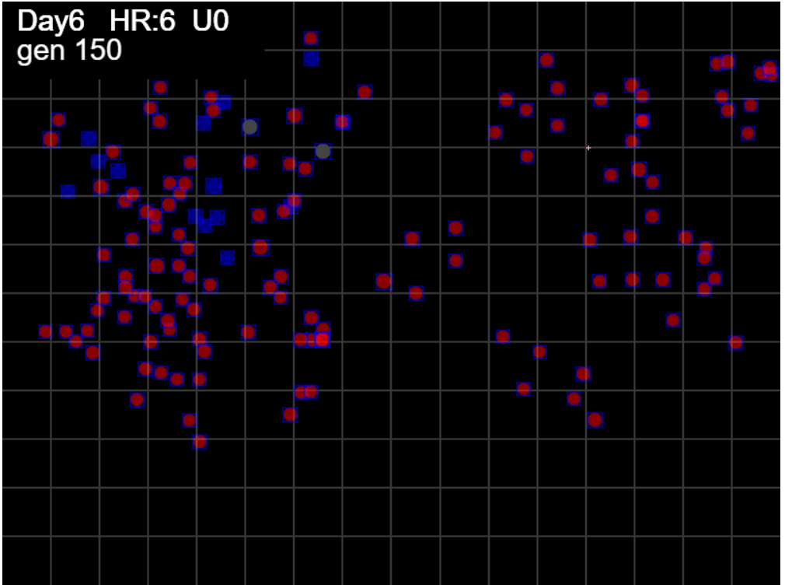

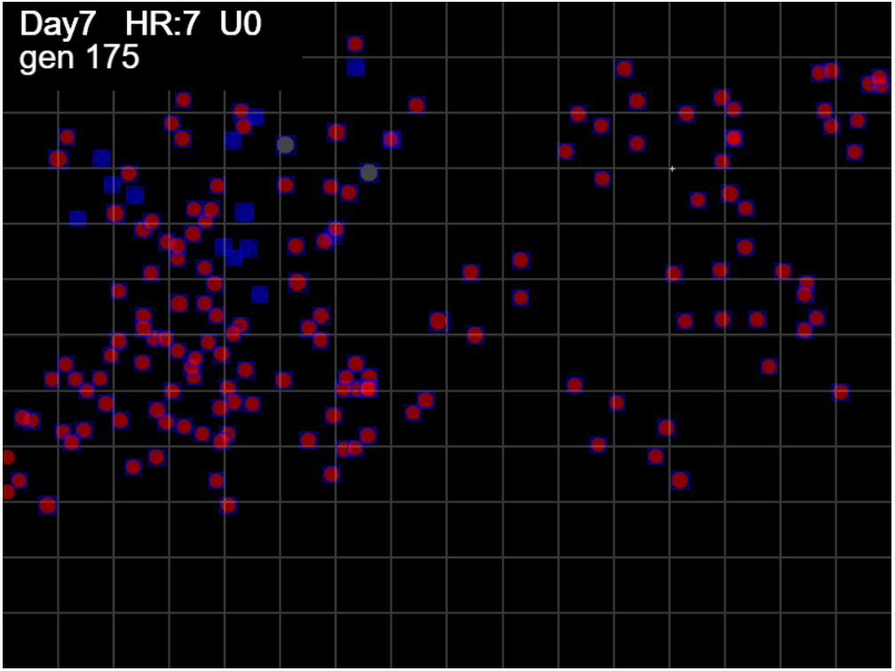

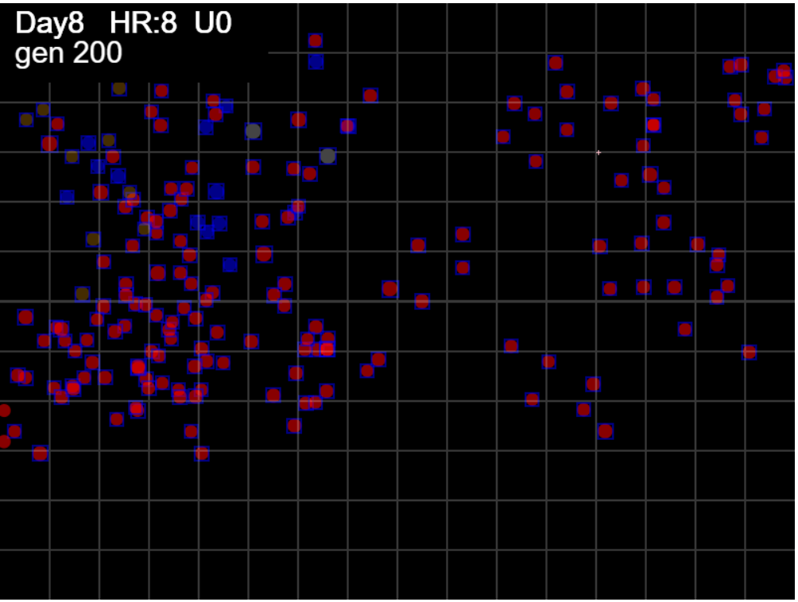

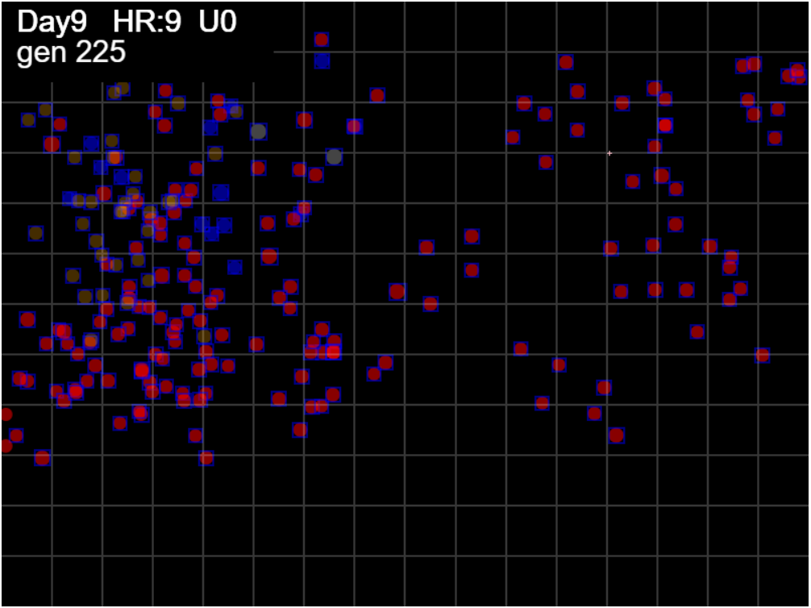

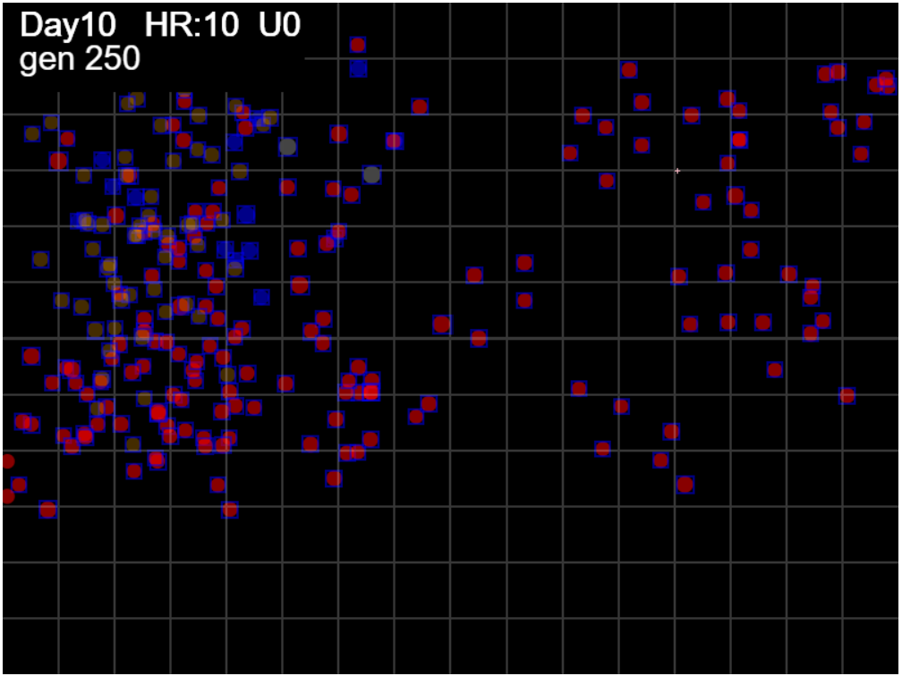

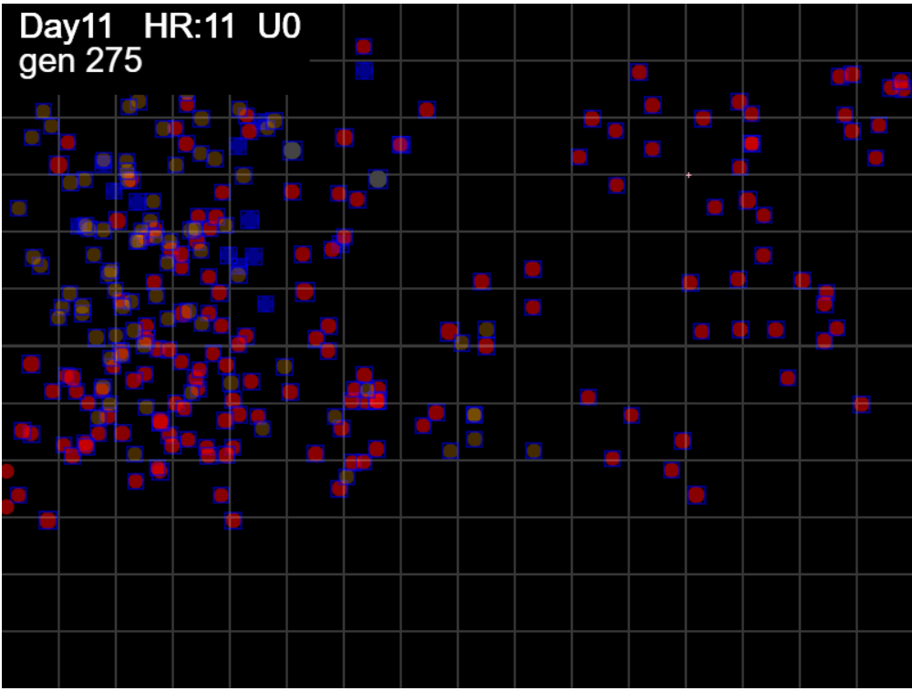

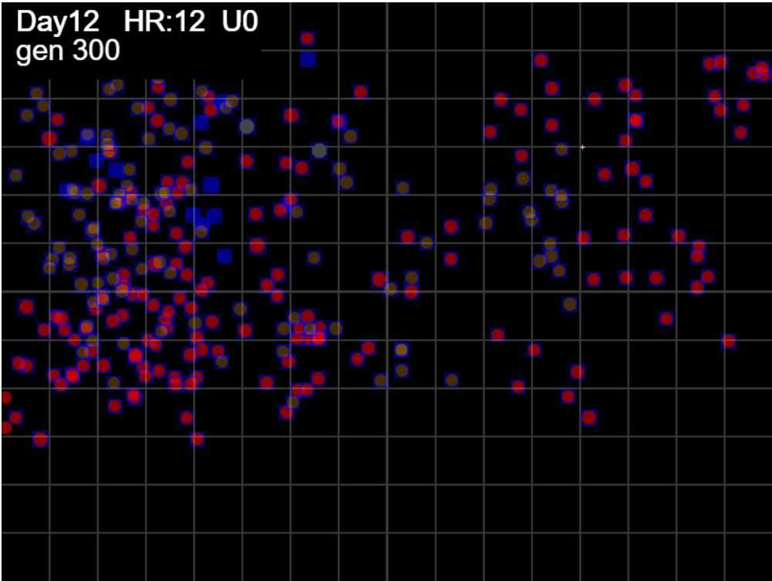

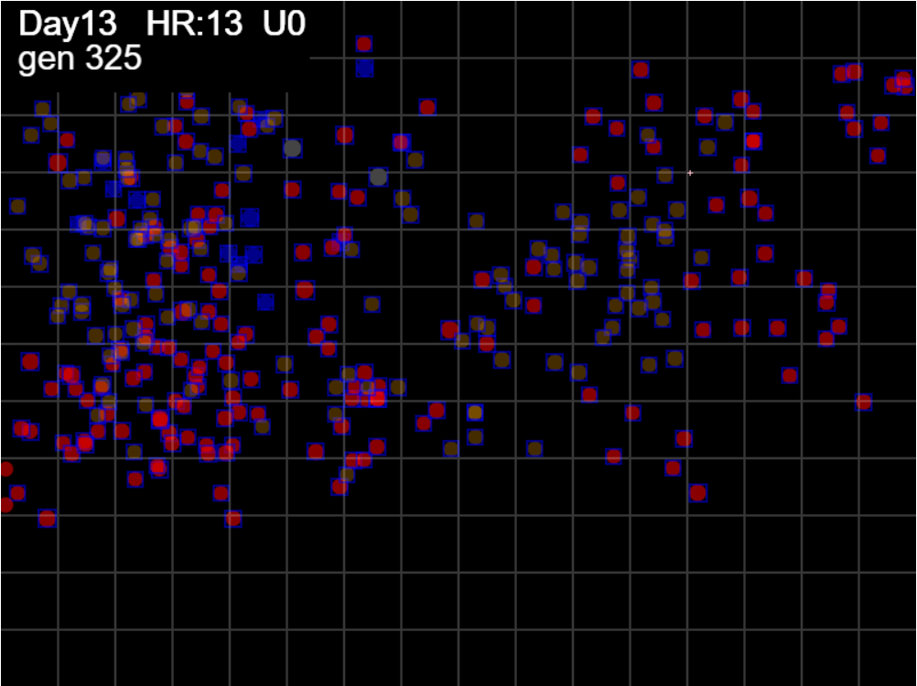

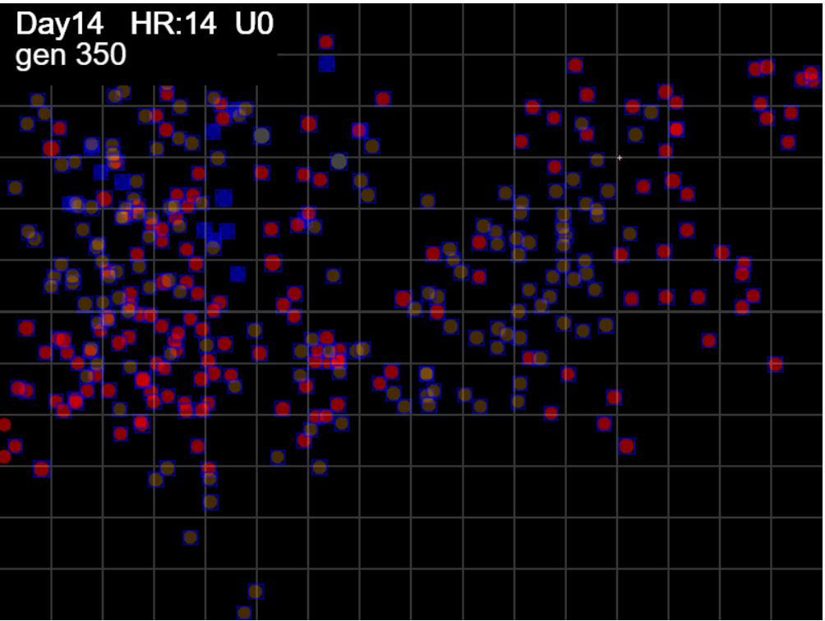

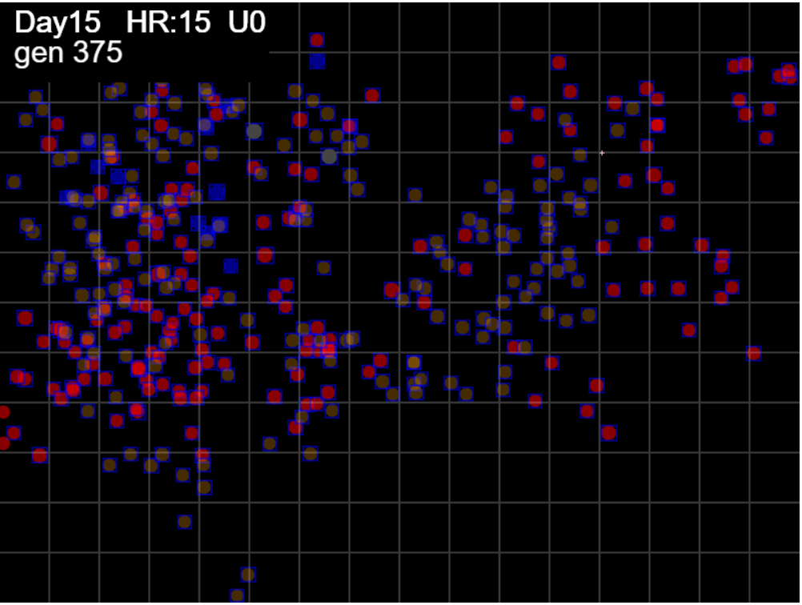

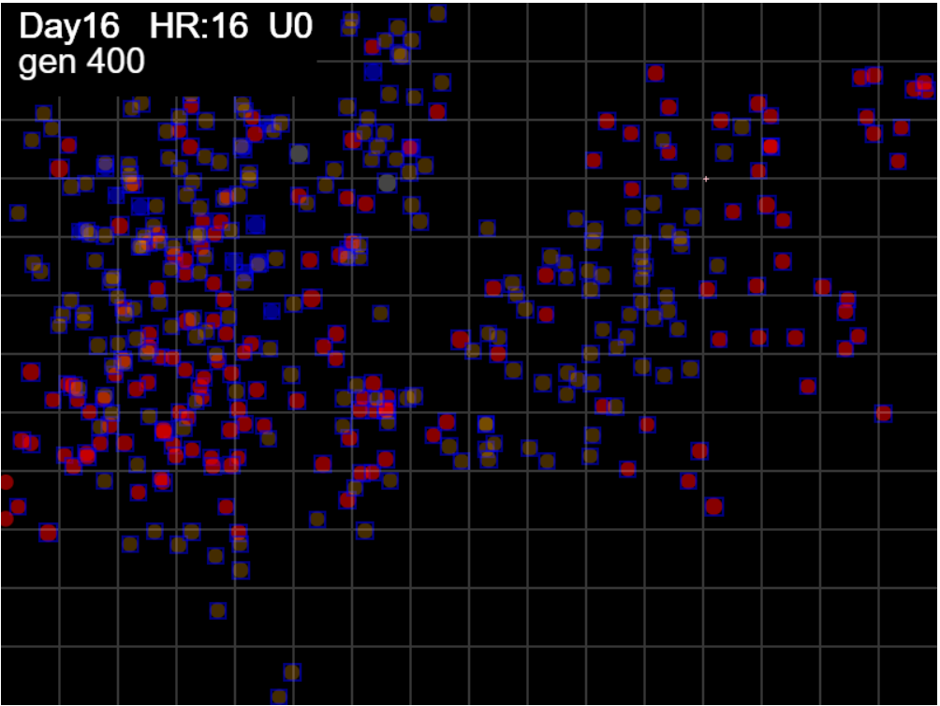

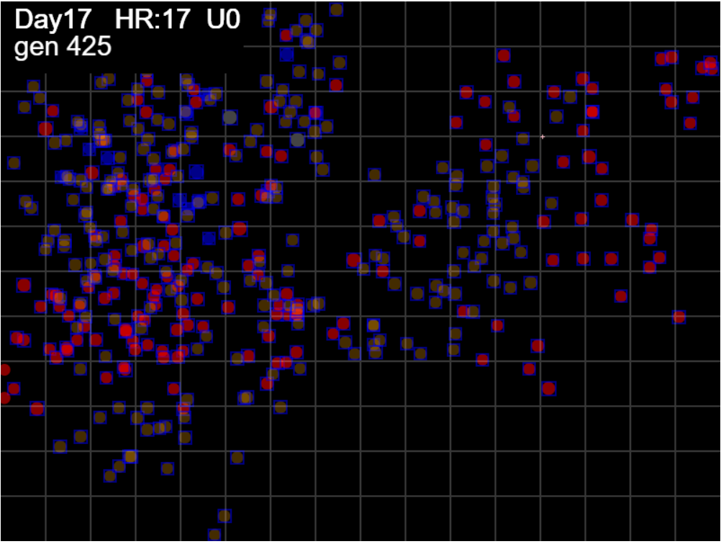

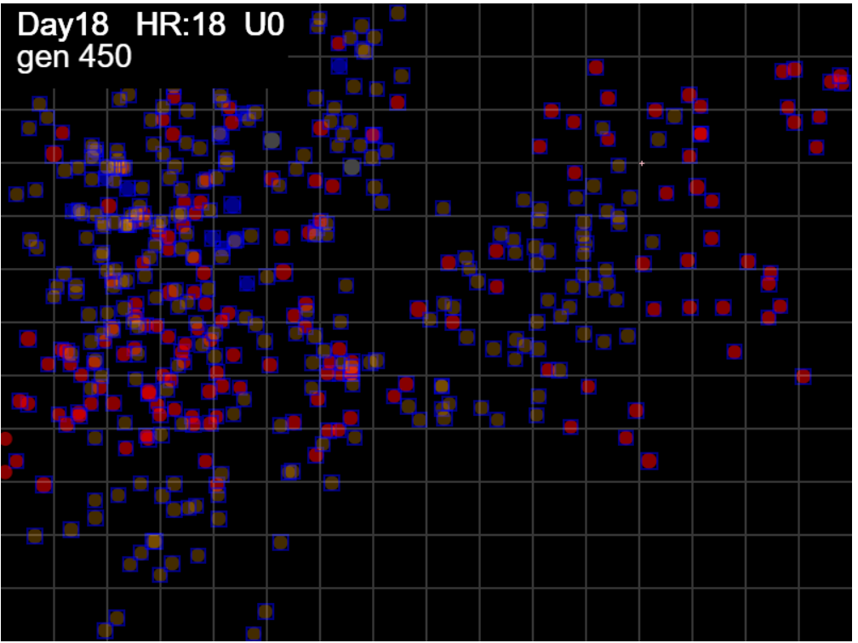

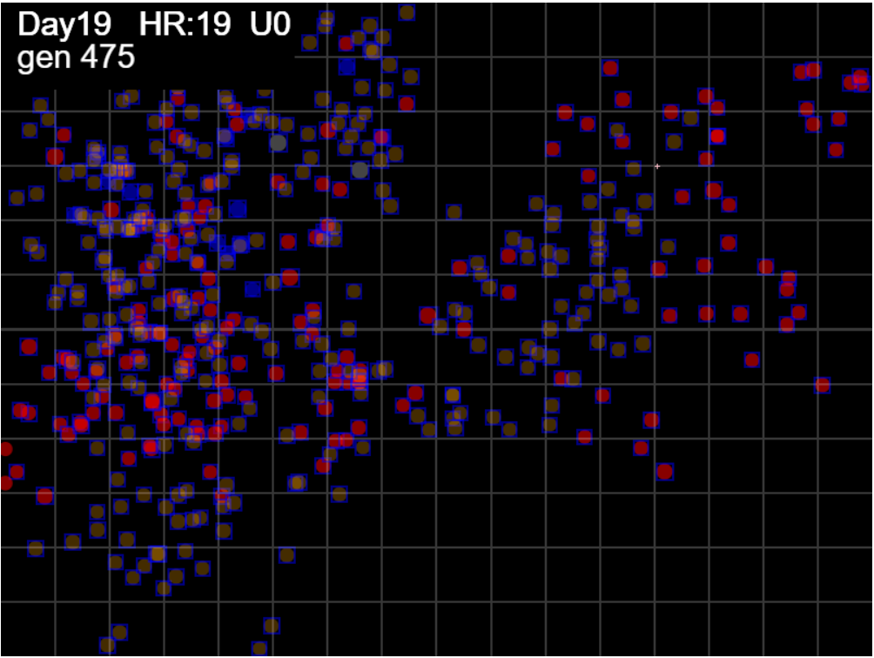

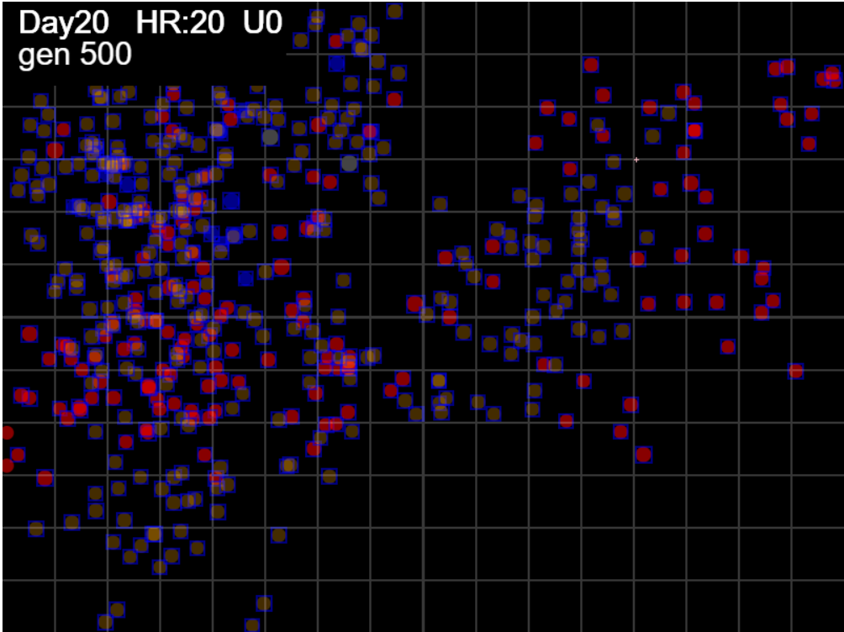

Sheet2
mingle factor - 3.2

Total Arena = 800x600 |  |  |  | 480000
Total sectors |  |  |  | 192
EncArena% = (MaxX-minX)*(maxY-minY)/Total ArenaX100
FootPrint = sum of all pixels agents landed on
Arena% = Footprint/ArenaX100
Index pf SPREAD = ratio of FootPrint to Bounding Area = Enclosure/FootPrint

We can track Index of Spread S with increasing time, or

Initially, the footprint may be bigger than the arena because the footprint is for the enclosing rectangle, not just for the circle…we can take a % off….

HzR | GEN | footprint | Sectors | X | Y | maxX | minX | maxY | minY | Territory | Spacing | Coverage | SectorCover
7.85 | 0 | 201 | 2 | 330 | 154 |  |  |  |  |  |  |  | 0.010416666667
7.85 | 0 | 402 | 4 | 254.69 | 128.9 | 330 | 254.69 | 154 | 128.9 | 1890.281 | 4.7021915423 | 0.0039380854167 | 0.020833333333
7.63 | 1 | 579 | 5 | 218.05 | 189.96 | 330 | 218.05 | 189.96 | 128.9 | 6835.667 | 11.80598791 | 0.014240972917 | 0.026041666667
6.8 | 2 | 733 | 5 | 207.18 | 124.73 | 330 | 207.18 | 189.96 | 124.73 | 8011.5486 | 10.929807094 | 0.01669072625 | 0.026041666667
6.52 | 3 | 866 | 6 | 259.37 | 41.22 | 330 | 207.18 | 189.96 | 41.22 | 18268.2468 | 21.09497321 | 0.0380588475 | 0.03125
6.54 | 4 | 998 | 7 | 227.97 | 104.02 | 330 | 207.18 | 189.96 | 41.22 | 18268.2468 | 18.304856513 | 0.0380588475 | 0.036458333333
7.06 | 5 | 1152 | 8 | 318.28 | 58.86 | 330 | 207.18 | 189.96 | 41.22 | 18268.2468 | 15.857853125 | 0.0380588475 | 0.041666666667
6.78 | 6 | 1306 | 9 | 350.82 | 123.93 | 350.82 | 207.18 | 189.96 | 41.22 | 21365.0136 | 16.359122205 | 0.044510445 | 0.046875
6.8 | 7 | 1460 | 11 | 296.41 | 210.99 | 350.82 | 207.18 | 210.99 | 41.22 | 24385.7628 | 16.70257726 | 0.0508036725 | 0.057291666667
6.76 | 8 | 1614 | 12 | 220.74 | 221.8 | 350.82 | 207.18 | 221.8 | 41.22 | 25938.5112 | 16.070948699 | 0.054038565 | 0.0625
6.57 | 9 | 1747 | 13 | 231.26 | 263.87 | 350.82 | 207.18 | 263.87 | 41.22 | 31981.446 | 18.306494562 | 0.0666280125 | 0.067708333333
6.79 | 10 | 1901 | 14 | 198.65 | 220.39 | 350.82 | 198.65 | 263.87 | 41.22 | 33880.6505 | 17.822541031 | 0.070584688542 | 0.072916666667
6.4 | 11 | 2017 | 14 | 208.89 | 230.64 | 350.82 | 198.65 | 263.87 | 41.22 | 33880.6505 | 16.797546108 | 0.070584688542 | 0.072916666667
7.02 | 12 | 2171 | 15 | 119.09 | 174.51 | 350.82 | 119.09 | 263.87 | 41.22 | 51594.6845 | 23.765400507 | 0.10748892604 | 0.078125
6.46 | 13 | 2304 | 16 | 98.42 | 164.18 | 350.82 | 98.42 | 263.87 | 41.22 | 56196.86 | 24.390998264 | 0.11707679167 | 0.083333333333
6.46 | 14 | 2436 | 17 | 67.42 | 195.18 | 350.82 | 67.42 | 263.87 | 41.22 | 63099.01 | 25.902713465 | 0.13145627083 | 0.088541666667
6.82 | 15 | 2590 | 18 | 89.23 | 140.66 | 350.82 | 67.42 | 263.87 | 41.22 | 63099.01 | 24.362552124 | 0.13145627083 | 0.09375
6.56 | 16 | 2723 | 19 | 162.7 | 88.18 | 350.82 | 67.42 | 263.87 | 41.22 | 63099.01 | 23.172607418 | 0.13145627083 | 0.098958333333
6.6 | 17 | 2856 | 21 | 152.15 | 109.28 | 350.82 | 67.42 | 263.87 | 41.22 | 63099.01 | 22.093490896 | 0.13145627083 | 0.109375
6.59 | 18 | 2988 | 22 | 162.69 | 35.5 | 350.82 | 67.42 | 263.87 | 35.5 | 64720.058 | 21.659992637 | 0.13483345417 | 0.11458333333
6.54 | 19 | 3121 | 22 | 214.97 | 98.25 | 350.82 | 67.42 | 263.87 | 35.5 | 64720.058 | 20.736961871 | 0.13483345417 | 0.11458333333
7.43 | 20 | 3298 | 23 | 238.74 | 26.96 | 350.82 | 67.42 | 263.87 | 26.96 | 67140.294 | 20.357881747 | 0.1398756125 | 0.11979166667
6.78 | 21 | 3452 | 23 | 217.05 | 70.33 | 350.82 | 67.42 | 263.87 | 26.96 | 67140.294 | 19.449679606 | 0.1398756125 | 0.11979166667
7.11 | 22 | 3606 | 24 | 148.75 | 24.79 | 350.82 | 67.42 | 263.87 | 24.79 | 67755.272 | 18.789592901 | 0.14115681667 | 0.125
6.94 | 23 | 3760 | 24 | 215.38 | 47 | 350.82 | 67.42 | 263.87 | 24.79 | 67755.272 | 18.020019149 | 0.14115681667 | 0.125
7.18 | 24 | 3909 | 24 | 203.89 | 35.51 | 350.82 | 67.42 | 263.87 | 24.79 | 67755.272 | 17.333147096 | 0.14115681667 | 0.125
6.59 | 25 | 4042 | 24 | 161.73 | 56.58 | 350.82 | 67.42 | 263.87 | 24.79 | 67755.272 | 16.762808511 | 0.14115681667 | 0.125
6.93 | 26 | 4181 | 24 | 217.19 | 112.04 | 350.82 | 67.42 | 263.87 | 24.79 | 67755.272 | 16.205518297 | 0.14115681667 | 0.125
6.94 | 27 | 4335 | 24 | 161.64 | 123.15 | 350.82 | 67.42 | 263.87 | 24.79 | 67755.272 | 15.629820531 | 0.14115681667 | 0.125
6.64 | 28 | 4467 | 25 | 172.27 | 186.92 | 350.82 | 67.42 | 263.87 | 24.79 | 67755.272 | 15.167958809 | 0.14115681667 | 0.13020833333
6.6 | 29 | 4600 | 25 | 193.38 | 165.81 | 350.82 | 67.42 | 263.87 | 24.79 | 67755.272 | 14.729406957 | 0.14115681667 | 0.13020833333
6.63 | 30 | 4728 | 25 | 182.77 | 197.62 | 350.82 | 67.42 | 263.87 | 24.79 | 67755.272 | 14.330641286 | 0.14115681667 | 0.13020833333
7.04 | 31 | 4879 | 25 | 171.5 | 208.89 | 350.82 | 67.42 | 263.87 | 24.79 | 67755.272 | 13.887122771 | 0.14115681667 | 0.13020833333
6.46 | 32 | 5012 | 25 | 181.84 | 239.89 | 350.82 | 67.42 | 263.87 | 24.79 | 67755.272 | 13.518609737 | 0.14115681667 | 0.13020833333
6.68 | 33 | 5144 | 26 | 192.53 | 282.66 | 350.82 | 67.42 | 282.66 | 24.79 | 73080.358 | 14.206912519 | 0.15225074583 | 0.13541666667
6.72 | 34 | 5274 | 26 | 181.78 | 271.9 | 350.82 | 67.42 | 282.66 | 24.79 | 73080.358 | 13.85672317 | 0.15225074583 | 0.13541666667
6.95 | 35 | 5428 | 27 | 148.42 | 216.31 | 350.82 | 67.42 | 282.66 | 24.79 | 73080.358 | 13.46358843 | 0.15225074583 | 0.140625
6.94 | 36 | 5582 | 27 | 126.23 | 205.22 | 350.82 | 67.42 | 282.66 | 24.79 | 73080.358 | 13.092145826 | 0.15225074583 | 0.140625
7.97 | 37 | 5783 | 29 | 49.75 | 141.48 | 350.82 | 49.75 | 282.66 | 24.79 | 77636.9209 | 13.425025229 | 0.16174358521 | 0.15104166667
7.33 | 38 | 5960 | 31 | 26.27 | 47.59 | 350.82 | 26.27 | 282.66 | 24.79 | 83691.7085 | 14.04223297 | 0.17435772604 | 0.16145833333
6.63 | 39 | 6092 | 31 | 58.09 | 121.82 | 350.82 | 26.27 | 282.66 | 24.79 | 83691.7085 | 13.737969222 | 0.17435772604 | 0.16145833333
6.8 | 40 | 6213 | 31 | 134.29 | 198.02 | 350.82 | 26.27 | 282.66 | 24.79 | 83691.7085 | 13.470418236 | 0.17435772604 | 0.16145833333
7.72 | 41 | 6390 | 31 | 159 | 272.16 | 350.82 | 26.27 | 282.66 | 24.79 | 83691.7085 | 13.097293975 | 0.17435772604 | 0.16145833333
6.77 | 42 | 6544 | 32 | 126.51 | 282.99 | 350.82 | 26.27 | 282.99 | 24.79 | 83798.81 | 12.805441626 | 0.17458085417 | 0.16666666667
6.46 | 43 | 6677 | 32 | 157.49 | 231.35 | 350.82 | 26.27 | 282.99 | 24.79 | 83798.81 | 12.550368429 | 0.17458085417 | 0.16666666667
6.94 | 44 | 6831 | 32 | 190.82 | 253.57 | 350.82 | 26.27 | 282.99 | 24.79 | 83798.81 | 12.267429366 | 0.17458085417 | 0.16666666667
7.02 | 45 | 6925 | 32 | 157.15 | 219.89 | 350.82 | 26.27 | 282.99 | 24.79 | 83798.81 | 12.100911191 | 0.17458085417 | 0.16666666667
6.83 | 46 | 7079 | 32 | 113.46 | 154.36 | 350.82 | 26.27 | 282.99 | 24.79 | 83798.81 | 11.837662099 | 0.17458085417 | 0.16666666667
7.57 | 47 | 7256 | 32 | 101.34 | 190.71 | 350.82 | 26.27 | 282.99 | 24.79 | 83798.81 | 11.548898842 | 0.17458085417 | 0.16666666667
6.71 | 48 | 7388 | 32 | 133.55 | 244.4 | 350.82 | 26.27 | 282.99 | 24.79 | 83798.81 | 11.342556849 | 0.17458085417 | 0.16666666667
6.45 | 49 | 7521 | 33 | 185.13 | 306.29 | 350.82 | 26.27 | 306.29 | 24.79 | 91360.825 | 12.147430528 | 0.19033505208 | 0.171875
7.06 | 50 | 7675 | 35 | 252.89 | 340.17 | 350.82 | 26.27 | 340.17 | 24.79 | 102356.579 | 13.336362085 | 0.21324287292 | 0.18229166667
7.82 | 51 | 7876 | 36 | 265.4 | 252.55 | 350.82 | 26.27 | 340.17 | 24.79 | 102356.579 | 12.996010538 | 0.21324287292 | 0.1875
6.83 | 52 | 8030 | 37 | 254.47 | 165.07 | 350.82 | 26.27 | 340.17 | 24.79 | 102356.579 | 12.74677198 | 0.21324287292 | 0.19270833333
6.94 | 53 | 8165 | 37 | 187.86 | 187.27 | 350.82 | 26.27 | 340.17 | 24.79 | 102356.579 | 12.536017024 | 0.21324287292 | 0.19270833333
6.79 | 54 | 8319 | 37 | 263.96 | 219.88 | 350.82 | 26.27 | 340.17 | 24.79 | 102356.579 | 12.303952278 | 0.21324287292 | 0.19270833333
6.62 | 55 | 8452 | 37 | 295.72 | 166.95 | 350.82 | 26.27 | 340.17 | 24.79 | 102356.579 | 12.110338263 | 0.21324287292 | 0.19270833333
6.73 | 56 | 8462 | 37 | 349.55 | 123.88 | 350.82 | 26.27 | 340.17 | 24.79 | 102356.579 | 12.096026826 | 0.21324287292 | 0.19270833333
6.72 | 57 | 8595 | 38 | 317.3 | 37.88 | 350.82 | 26.27 | 340.17 | 24.79 | 102356.579 | 11.908851542 | 0.21324287292 | 0.19791666667
6.94 | 58 | 8749 | 39 | 372.79 | 93.37 | 372.79 | 26.27 | 340.17 | 24.79 | 109285.4776 | 12.491196434 | 0.22767807833 | 0.203125
7.5 | 59 | 8925 | 39 | 300.75 | 117.38 | 372.79 | 26.27 | 340.17 | 24.79 | 109285.4776 | 12.24487144 | 0.22767807833 | 0.203125
6.79 | 60 | 9079 | 39 | 311.62 | 171.73 | 372.79 | 26.27 | 340.17 | 24.79 | 109285.4776 | 12.03717123 | 0.22767807833 | 0.203125
6.85 | 61 | 9184 | 39 | 289.68 | 215.59 | 372.79 | 26.27 | 340.17 | 24.79 | 109285.4776 | 11.899551132 | 0.22767807833 | 0.203125
6.69 | 62 | 9261 | 39 | 300.39 | 204.89 | 372.79 | 26.27 | 340.17 | 24.79 | 109285.4776 | 11.800613066 | 0.22767807833 | 0.203125
6.75 | 63 | 9415 | 39 | 213.93 | 291.35 | 372.79 | 26.27 | 340.17 | 24.79 | 109285.4776 | 11.607591885 | 0.22767807833 | 0.203125
7.01 | 64 | 9569 | 41 | 202.71 | 347.46 | 372.79 | 26.27 | 347.46 | 24.79 | 111811.6084 | 11.684774626 | 0.23294085083 | 0.21354166667
6.4 | 65 | 9702 | 41 | 171.98 | 337.22 | 372.79 | 26.27 | 347.46 | 24.79 | 111811.6084 | 11.524593733 | 0.23294085083 | 0.21354166667
6.44 | 66 | 9835 | 41 | 202.88 | 388.73 | 372.79 | 26.27 | 388.73 | 24.79 | 126112.4888 | 12.822825501 | 0.26273435167 | 0.21354166667
6.57 | 67 | 9967 | 42 | 192.37 | 430.79 | 372.79 | 26.27 | 430.79 | 24.79 | 140687.12 | 14.115292465 | 0.29309816667 | 0.21875
6.79 | 68 | 10121 | 45 | 203.23 | 452.5 | 372.79 | 26.27 | 452.5 | 24.79 | 148210.0692 | 14.643816737 | 0.3087709775 | 0.234375
6.76 | 69 | 10275 | 46 | 138.36 | 409.26 | 372.79 | 26.27 | 452.5 | 24.79 | 148210.0692 | 14.424337635 | 0.3087709775 | 0.23958333333
6.47 | 70 | 10408 | 46 | 179.75 | 388.56 | 372.79 | 26.27 | 452.5 | 24.79 | 148210.0692 | 14.240014335 | 0.3087709775 | 0.23958333333
6.8 | 71 | 10562 | 47 | 147.13 | 377.69 | 372.79 | 26.27 | 452.5 | 24.79 | 148210.0692 | 14.032386783 | 0.3087709775 | 0.24479166667
6.69 | 72 | 10695 | 48 | 136.43 | 302.77 | 372.79 | 26.27 | 452.5 | 24.79 | 148210.0692 | 13.857883983 | 0.3087709775 | 0.25
6.7 | 73 | 10827 | 48 | 125.7 | 324.21 | 372.79 | 26.27 | 452.5 | 24.79 | 148210.0692 | 13.688932225 | 0.3087709775 | 0.25
6.6 | 74 | 10960 | 48 | 157.36 | 313.65 | 372.79 | 26.27 | 452.5 | 24.79 | 148210.0692 | 13.522816533 | 0.3087709775 | 0.25
6.52 | 75 | 11060 | 48 | 146.93 | 303.22 | 372.79 | 26.27 | 452.5 | 24.79 | 148210.0692 | 13.400548752 | 0.3087709775 | 0.25
6.66 | 76 | 11193 | 49 | 104.29 | 260.58 | 372.79 | 26.27 | 452.5 | 24.79 | 148210.0692 | 13.241317716 | 0.3087709775 | 0.25520833333
6.97 | 77 | 11298 | 49 | 126.58 | 294.01 | 372.79 | 26.27 | 452.5 | 24.79 | 148210.0692 | 13.118257143 | 0.3087709775 | 0.25520833333
6.96 | 78 | 11452 | 50 | 104.3 | 305.15 | 372.79 | 26.27 | 452.5 | 24.79 | 148210.0692 | 12.941850262 | 0.3087709775 | 0.26041666667
7.01 | 79 | 11606 | 51 | 93.08 | 361.25 | 372.79 | 26.27 | 452.5 | 24.79 | 148210.0692 | 12.770124866 | 0.3087709775 | 0.265625
6.89 | 80 | 11725 | 51 | 170.25 | 328.18 | 372.79 | 26.27 | 452.5 | 24.79 | 148210.0692 | 12.640517629 | 0.3087709775 | 0.265625
6.47 | 81 | 11858 | 51 | 87.49 | 338.52 | 372.79 | 26.27 | 452.5 | 24.79 | 148210.0692 | 12.498740867 | 0.3087709775 | 0.265625
6.44 | 82 | 11985 | 51 | 97.8 | 317.91 | 372.79 | 26.27 | 452.5 | 24.79 | 148210.0692 | 12.366296971 | 0.3087709775 | 0.265625
6.67 | 83 | 12118 | 52 | 44.43 | 339.25 | 372.79 | 26.27 | 452.5 | 24.79 | 148210.0692 | 12.230571811 | 0.3087709775 | 0.27083333333
6.54 | 84 | 12249 | 52 | 75.81 | 349.71 | 372.79 | 26.27 | 452.5 | 24.79 | 148210.0692 | 12.099768895 | 0.3087709775 | 0.27083333333
6.55 | 85 | 12375 | 52 | 65.32 | 339.22 | 372.79 | 26.27 | 452.5 | 24.79 | 148210.0692 | 11.976571248 | 0.3087709775 | 0.27083333333
6.81 | 86 | 12529 | 52 | 152.54 | 350.13 | 372.79 | 26.27 | 452.5 | 24.79 | 148210.0692 | 11.829361418 | 0.3087709775 | 0.27083333333
6.65 | 87 | 12661 | 52 | 163.19 | 382.07 | 372.79 | 26.27 | 452.5 | 24.79 | 148210.0692 | 11.706031846 | 0.3087709775 | 0.27083333333
6.98 | 88 | 12808 | 52 | 207.89 | 359.71 | 372.79 | 26.27 | 452.5 | 24.79 | 148210.0692 | 11.571679357 | 0.3087709775 | 0.27083333333
6.77 | 89 | 12957 | 52 | 197.06 | 316.38 | 372.79 | 26.27 | 452.5 | 24.79 | 148210.0692 | 11.438609956 | 0.3087709775 | 0.27083333333
6.99 | 90 | 13111 | 52 | 286.54 | 282.82 | 372.79 | 26.27 | 452.5 | 24.79 | 148210.0692 | 11.304253619 | 0.3087709775 | 0.27083333333
6.78 | 91 | 13258 | 52 | 275.69 | 293.67 | 372.79 | 26.27 | 452.5 | 24.79 | 148210.0692 | 11.178916066 | 0.3087709775 | 0.27083333333
6.51 | 92 | 13384 | 52 | 286.1 | 304.08 | 372.79 | 26.27 | 452.5 | 24.79 | 148210.0692 | 11.073675224 | 0.3087709775 | 0.27083333333
6.9 | 93 | 13538 | 54 | 319.21 | 348.22 | 372.79 | 26.27 | 452.5 | 24.79 | 148210.0692 | 10.947707874 | 0.3087709775 | 0.28125
6.84 | 94 | 13685 | 54 | 330.15 | 337.29 | 372.79 | 26.27 | 452.5 | 24.79 | 148210.0692 | 10.830111012 | 0.3087709775 | 0.28125
7.77 | 95 | 13886 | 56 | 392.28 | 287.58 | 392.28 | 26.27 | 452.5 | 24.79 | 156546.1371 | 11.273666794 | 0.32613778563 | 0.29166666667
6.59 | 96 | 14019 | 57 | 466.06 | 266.5 | 466.06 | 26.27 | 452.5 | 24.79 | 188102.5809 | 13.417688915 | 0.39188037687 | 0.296875
7.07 | 97 | 14172 | 58 | 420.79 | 243.86 | 466.06 | 26.27 | 452.5 | 24.79 | 188102.5809 | 13.272832409 | 0.39188037687 | 0.30208333333
7.01 | 98 | 14326 | 59 | 465.63 | 232.65 | 466.06 | 26.27 | 452.5 | 24.79 | 188102.5809 | 13.13015363 | 0.39188037687 | 0.30729166667
6.57 | 99 | 14459 | 60 | 539.19 | 159.09 | 539.19 | 26.27 | 452.5 | 24.79 | 219381.0132 | 15.172626959 | 0.4570437775 | 0.3125
6.57 | 100 | 14592 | 61 | 570.71 | 127.58 | 570.71 | 26.27 | 452.5 | 24.79 | 232862.4324 | 15.958225905 | 0.4851300675 | 0.31770833333
7.01 | 101 | 14746 | 62 | 559.48 | 60.24 | 570.71 | 26.27 | 452.5 | 24.79 | 232862.4324 | 15.791566011 | 0.4851300675 | 0.32291666667
6.64 | 102 | 14879 | 63 | 506.33 | 134.65 | 570.71 | 26.27 | 452.5 | 24.79 | 232862.4324 | 15.650408791 | 0.4851300675 | 0.328125
7 | 103 | 15033 | 64 | 517.52 | 101.07 | 570.71 | 26.27 | 452.5 | 24.79 | 232862.4324 | 15.490083975 | 0.4851300675 | 0.33333333333
6.51 | 104 | 15165 | 64 | 538.34 | 111.48 | 570.71 | 26.27 | 452.5 | 24.79 | 232862.4324 | 15.355254362 | 0.4851300675 | 0.33333333333
6.87 | 105 | 15319 | 66 | 615.29 | 100.48 | 615.29 | 26.27 | 452.5 | 24.79 | 251929.7442 | 16.445573745 | 0.52485363375 | 0.34375
6.99 | 106 | 15473 | 66 | 570.56 | 89.3 | 615.29 | 26.27 | 452.5 | 24.79 | 251929.7442 | 16.281893893 | 0.52485363375 | 0.34375
7.47 | 107 | 15650 | 68 | 654.2 | 172.94 | 654.2 | 26.27 | 452.5 | 24.79 | 268571.9403 | 17.161146345 | 0.55952487563 | 0.35416666667
6.7 | 108 | 15783 | 70 | 739.92 | 97.94 | 739.92 | 26.27 | 452.5 | 24.79 | 305235.2415 | 19.339494488 | 0.63590675313 | 0.36458333333
7.24 | 109 | 15937 | 71 | 647.24 | 86.35 | 739.92 | 26.27 | 452.5 | 24.79 | 305235.2415 | 19.152616019 | 0.63590675313 | 0.36979166667
6.64 | 110 | 16062 | 72 | 657.87 | 96.98 | 739.92 | 26.27 | 452.5 | 24.79 | 305235.2415 | 19.003563784 | 0.63590675313 | 0.375
6.89 | 111 | 16216 | 72 | 734.99 | 63.93 | 739.92 | 26.27 | 452.5 | 24.79 | 305235.2415 | 18.823090867 | 0.63590675313 | 0.375
6.94 | 112 | 16370 | 72 | 790.48 | 75.03 | 790.48 | 26.27 | 452.5 | 24.79 | 326860.2591 | 19.967028656 | 0.68095887313 | 0.375
6.61 | 113 | 16503 | 72 | 769.33 | 106.76 | 790.48 | 26.27 | 452.5 | 24.79 | 326860.2591 | 19.806111562 | 0.68095887313 | 0.375
6.92 | 114 | 16626 | 72 | 780.4 | 73.55 | 790.48 | 26.27 | 452.5 | 24.79 | 326860.2591 | 19.659584933 | 0.68095887313 | 0.375
7.21 | 115 | 16752 | 72 | 745.8 | 62.02 | 790.48 | 26.27 | 452.5 | 24.79 | 326860.2591 | 19.511715562 | 0.68095887313 | 0.375
6.53 | 116 | 16884 | 72 | 766.7 | 135.18 | 790.48 | 26.27 | 452.5 | 24.79 | 326860.2591 | 19.359171944 | 0.68095887313 | 0.375
6.95 | 117 | 16958 | 72 | 788.95 | 68.43 | 790.48 | 26.27 | 452.5 | 24.79 | 326860.2591 | 19.274693897 | 0.68095887313 | 0.375
6.77 | 118 | 17111 | 72 | 745.63 | 111.75 | 790.48 | 26.27 | 452.5 | 24.79 | 326860.2591 | 19.102346976 | 0.68095887313 | 0.375
6.85 | 119 | 17265 | 72 | 657.92 | 122.71 | 790.48 | 26.27 | 452.5 | 24.79 | 326860.2591 | 18.931958245 | 0.68095887313 | 0.375
6.67 | 120 | 17398 | 72 | 647.25 | 144.05 | 790.48 | 26.27 | 452.5 | 24.79 | 326860.2591 | 18.787231814 | 0.68095887313 | 0.375
6.6 | 121 | 17398 | 72 | 657.8 | 122.94 | 790.48 | 26.27 | 452.5 | 24.79 | 326860.2591 | 18.787231814 | 0.68095887313 | 0.375
6.57 | 122 | 17531 | 72 | 668.32 | 186.03 | 790.48 | 26.27 | 452.5 | 24.79 | 326860.2591 | 18.644701335 | 0.68095887313 | 0.375
7.1 | 123 | 17685 | 76 | 702.4 | 242.84 | 790.48 | 26.27 | 452.5 | 24.79 | 326860.2591 | 18.482344309 | 0.68095887313 | 0.39583333333
6.57 | 124 | 17818 | 76 | 723.41 | 253.34 | 790.48 | 26.27 | 452.5 | 24.79 | 326860.2591 | 18.344385402 | 0.68095887313 | 0.39583333333
6.78 | 125 | 17971 | 77 | 647.51 | 285.87 | 790.48 | 26.27 | 452.5 | 24.79 | 326860.2591 | 18.188206505 | 0.68095887313 | 0.40104166667
6.57 | 126 | 18104 | 78 | 689.57 | 327.93 | 790.48 | 26.27 | 452.5 | 24.79 | 326860.2591 | 18.054587887 | 0.68095887313 | 0.40625
6.71 | 127 | 18237 | 79 | 721.75 | 295.74 | 790.48 | 26.27 | 452.5 | 24.79 | 326860.2591 | 17.922918194 | 0.68095887313 | 0.41145833333
6.68 | 128 | 18367 | 79 | 732.43 | 285.06 | 790.48 | 26.27 | 452.5 | 24.79 | 326860.2591 | 17.796061365 | 0.68095887313 | 0.41145833333
6.83 | 129 | 18520 | 80 | 754.3 | 350.66 | 790.48 | 26.27 | 452.5 | 24.79 | 326860.2591 | 17.649042068 | 0.68095887313 | 0.41666666667
6.81 | 130 | 18646 | 80 | 721.61 | 263.49 | 790.48 | 26.27 | 452.5 | 24.79 | 326860.2591 | 17.529778993 | 0.68095887313 | 0.41666666667
6.8 | 131 | 18800 | 81 | 645.45 | 241.73 | 790.48 | 26.27 | 452.5 | 24.79 | 326860.2591 | 17.386183995 | 0.68095887313 | 0.421875
6.96 | 132 | 18954 | 81 | 678.84 | 286.25 | 790.48 | 26.27 | 452.5 | 24.79 | 326860.2591 | 17.244922396 | 0.68095887313 | 0.421875
6.79 | 133 | 19108 | 81 | 667.96 | 221.02 | 790.48 | 26.27 | 452.5 | 24.79 | 326860.2591 | 17.10593778 | 0.68095887313 | 0.421875
6.63 | 134 | 19241 | 81 | 625.51 | 178.56 | 790.48 | 26.27 | 452.5 | 24.79 | 326860.2591 | 16.987696019 | 0.68095887313 | 0.421875
6.9 | 135 | 19395 | 83 | 603.43 | 244.79 | 790.48 | 26.27 | 452.5 | 24.79 | 326860.2591 | 16.852810472 | 0.68095887313 | 0.43229166667
6.73 | 136 | 19527 | 83 | 614.2 | 287.87 | 790.48 | 26.27 | 452.5 | 24.79 | 326860.2591 | 16.738887648 | 0.68095887313 | 0.43229166667
6.47 | 137 | 19660 | 85 | 552.11 | 360.3 | 790.48 | 26.27 | 452.5 | 24.79 | 326860.2591 | 16.625648988 | 0.68095887313 | 0.44270833333
7.05 | 138 | 19814 | 86 | 597.24 | 382.87 | 790.48 | 26.27 | 452.5 | 24.79 | 326860.2591 | 16.496429752 | 0.68095887313 | 0.44791666667
7.39 | 139 | 19991 | 87 | 609.07 | 430.19 | 790.48 | 26.27 | 452.5 | 24.79 | 326860.2591 | 16.350370622 | 0.68095887313 | 0.453125
6.73 | 140 | 20123 | 88 | 587.54 | 408.67 | 790.48 | 26.27 | 452.5 | 24.79 | 326860.2591 | 16.243117781 | 0.68095887313 | 0.45833333333
6.46 | 141 | 20256 | 89 | 535.84 | 398.33 | 790.48 | 26.27 | 452.5 | 24.79 | 326860.2591 | 16.136466188 | 0.68095887313 | 0.46354166667
6.69 | 142 | 20389 | 90 | 514.43 | 344.8 | 790.48 | 26.27 | 452.5 | 24.79 | 326860.2591 | 16.031205998 | 0.68095887313 | 0.46875
7.01 | 143 | 20543 | 91 | 424.67 | 299.92 | 790.48 | 26.27 | 452.5 | 24.79 | 326860.2591 | 15.91102853 | 0.68095887313 | 0.47395833333
7.43 | 144 | 20639 | 91 | 329.53 | 347.49 | 790.48 | 26.27 | 452.5 | 24.79 | 326860.2591 | 15.837020161 | 0.68095887313 | 0.47395833333
6.85 | 145 | 20793 | 92 | 307.62 | 402.27 | 790.48 | 26.27 | 452.5 | 24.79 | 326860.2591 | 15.719725826 | 0.68095887313 | 0.47916666667
7.03 | 146 | 20947 | 93 | 296.37 | 424.76 | 790.48 | 26.27 | 452.5 | 24.79 | 326860.2591 | 15.604156161 | 0.68095887313 | 0.484375
6.85 | 147 | 20947 | 93 | 329.25 | 348.05 | 790.48 | 26.27 | 452.5 | 24.79 | 326860.2591 | 15.604156161 | 0.68095887313 | 0.484375
7.07 | 148 | 21097 | 93 | 317.94 | 325.44 | 790.48 | 26.27 | 452.5 | 24.79 | 326860.2591 | 15.493210366 | 0.68095887313 | 0.484375
6.97 | 149 | 21229 | 93 | 306.78 | 347.76 | 790.48 | 26.27 | 452.5 | 24.79 | 326860.2591 | 15.396874987 | 0.68095887313 | 0.484375
6.68 | 150 | 21321 | 93 | 317.47 | 401.19 | 790.48 | 26.27 | 452.5 | 24.79 | 326860.2591 | 15.330437555 | 0.68095887313 | 0.484375
6.99 | 151 | 21472 | 93 | 328.65 | 390.01 | 790.48 | 26.27 | 452.5 | 24.79 | 326860.2591 | 15.222627566 | 0.68095887313 | 0.484375
6.41 | 152 | 21605 | 94 | 369.69 | 369.49 | 790.48 | 26.27 | 452.5 | 24.79 | 326860.2591 | 15.128917339 | 0.68095887313 | 0.48958333333
7.08 | 153 | 21756 | 94 | 381.02 | 358.15 | 790.48 | 26.27 | 452.5 | 24.79 | 326860.2591 | 15.023913362 | 0.68095887313 | 0.48958333333
6.4 | 154 | 21854 | 94 | 309.39 | 337.69 | 790.48 | 26.27 | 452.5 | 24.79 | 326860.2591 | 14.956541553 | 0.68095887313 | 0.48958333333
7.09 | 155 | 22008 | 95 | 275.35 | 394.42 | 790.48 | 26.27 | 452.5 | 24.79 | 326860.2591 | 14.85188382 | 0.68095887313 | 0.49479166667
7.05 | 156 | 22162 | 95 | 297.9 | 371.87 | 790.48 | 26.27 | 452.5 | 24.79 | 326860.2591 | 14.748680584 | 0.68095887313 | 0.49479166667
6.51 | 157 | 22294 | 95 | 224.97 | 361.45 | 790.48 | 26.27 | 452.5 | 24.79 | 326860.2591 | 14.661355481 | 0.68095887313 | 0.49479166667
6.42 | 158 | 22380 | 95 | 173.57 | 320.33 | 790.48 | 26.27 | 452.5 | 24.79 | 326860.2591 | 14.605016046 | 0.68095887313 | 0.49479166667
7 | 159 | 22520 | 95 | 195.98 | 365.16 | 790.48 | 26.27 | 452.5 | 24.79 | 326860.2591 | 14.514221097 | 0.68095887313 | 0.49479166667
7.06 | 160 | 22674 | 95 | 105.59 | 376.45 | 790.48 | 26.27 | 452.5 | 24.79 | 326860.2591 | 14.415641664 | 0.68095887313 | 0.49479166667
6.4 | 161 | 22806 | 96 | 54.43 | 386.69 | 790.48 | 26.27 | 452.5 | 24.79 | 326860.2591 | 14.332204644 | 0.68095887313 | 0.5
6.56 | 162 | 22939 | 96 | 117.42 | 418.18 | 790.48 | 26.27 | 452.5 | 24.79 | 326860.2591 | 14.249106722 | 0.68095887313 | 0.5
7.09 | 163 | 23049 | 96 | 196.81 | 395.5 | 790.48 | 26.27 | 452.5 | 24.79 | 326860.2591 | 14.181103696 | 0.68095887313 | 0.5
6.75 | 164 | 23203 | 96 | 218.42 | 330.67 | 790.48 | 26.27 | 452.5 | 24.79 | 326860.2591 | 14.086982679 | 0.68095887313 | 0.5
6.66 | 165 | 23297 | 96 | 207.77 | 298.71 | 790.48 | 26.27 | 452.5 | 24.79 | 326860.2591 | 14.030143757 | 0.68095887313 | 0.5
7.13 | 166 | 23437 | 96 | 139.29 | 367.19 | 790.48 | 26.27 | 452.5 | 24.79 | 326860.2591 | 13.946335243 | 0.68095887313 | 0.5
6.47 | 167 | 23570 | 96 | 56.53 | 325.8 | 790.48 | 26.27 | 452.5 | 24.79 | 326860.2591 | 13.867639334 | 0.68095887313 | 0.5
6.57 | 169 | 23703 | 97 | 14.71 | 430.57 | 790.48 | 14.71 | 452.5 | 24.79 | 331804.5867 | 13.99842158 | 0.69125955562 | 0.50520833333
6.78 | 170 | 23856 | 97 | 25.56 | 376.33 | 790.48 | 14.71 | 452.5 | 24.79 | 331804.5867 | 13.90864297 | 0.69125955562 | 0.50520833333
7.56 | 172 | 24033 | 98 | 40.35 | 452.95 | 790.48 | 14.71 | 452.95 | 24.79 | 332153.6832 | 13.820733292 | 0.69198684 | 0.51041666667
7.04 | 173 | 24135 | 98 | 17.81 | 374.08 | 790.48 | 14.71 | 452.95 | 24.79 | 332153.6832 | 13.762323729 | 0.69198684 | 0.51041666667
6.9 | 174 | 24289 | 98 | 73.03 | 385.12 | 790.48 | 14.71 | 452.95 | 24.79 | 332153.6832 | 13.675066211 | 0.69198684 | 0.51041666667
6.9 | 175 | 24417 | 99 | 62 | 396.15 | 790.48 | 14.71 | 452.95 | 24.79 | 332153.6832 | 13.603378105 | 0.69198684 | 0.515625
6.7 | 176 | 24464 | 99 | 137.09 | 406.88 | 790.48 | 14.71 | 452.95 | 24.79 | 332153.6832 | 13.577243427 | 0.69198684 | 0.515625
6.9 | 177 | 24561 | 99 | 181.23 | 395.84 | 790.48 | 14.71 | 452.95 | 24.79 | 332153.6832 | 13.523622133 | 0.69198684 | 0.515625
6.85 | 178 | 24690 | 99 | 115.47 | 330.08 | 790.48 | 14.71 | 452.95 | 24.79 | 332153.6832 | 13.452964083 | 0.69198684 | 0.515625
7.31 | 179 | 24722 | 99 | 138.86 | 365.16 | 790.48 | 14.71 | 452.95 | 24.79 | 332153.6832 | 13.435550651 | 0.69198684 | 0.515625
6.65 | 180 | 24805 | 99 | 160.14 | 354.52 | 790.48 | 14.71 | 452.95 | 24.79 | 332153.6832 | 13.390593961 | 0.69198684 | 0.515625
6.78 | 181 | 24916 | 99 | 149.3 | 387.06 | 790.48 | 14.71 | 452.95 | 24.79 | 332153.6832 | 13.330939284 | 0.69198684 | 0.515625
6.69 | 182 | 25041 | 99 | 85.08 | 376.36 | 790.48 | 14.71 | 452.95 | 24.79 | 332153.6832 | 13.264393722 | 0.69198684 | 0.515625
7 | 183 | 25076 | 99 | 73.89 | 387.55 | 790.48 | 14.71 | 452.95 | 24.79 | 332153.6832 | 13.245879853 | 0.69198684 | 0.515625
7.51 | 184 | 25152 | 99 | 61.86 | 327.44 | 790.48 | 14.71 | 452.95 | 24.79 | 332153.6832 | 13.205855725 | 0.69198684 | 0.515625
7.48 | 185 | 25329 | 99 | 25.95 | 315.47 | 790.48 | 14.71 | 452.95 | 24.79 | 332153.6832 | 13.113572711 | 0.69198684 | 0.515625
7.11 | 186 | 25483 | 99 | 82.83 | 292.72 | 790.48 | 14.71 | 452.95 | 24.79 | 332153.6832 | 13.034324185 | 0.69198684 | 0.515625
6.9 | 187 | 25637 | 99 | 93.88 | 237.49 | 790.48 | 14.71 | 452.95 | 24.79 | 332153.6832 | 12.956027741 | 0.69198684 | 0.515625
6.4 | 188 | 25741 | 99 | 145.06 | 227.26 | 790.48 | 14.71 | 452.95 | 24.79 | 332153.6832 | 12.903682188 | 0.69198684 | 0.515625
6.48 | 189 | 25873 | 99 | 72.45 | 154.64 | 790.48 | 14.71 | 452.95 | 24.79 | 332153.6832 | 12.837849619 | 0.69198684 | 0.515625
6.96 | 190 | 26027 | 99 | 16.8 | 65.6 | 790.48 | 14.71 | 452.95 | 24.79 | 332153.6832 | 12.761888931 | 0.69198684 | 0.515625
6.46 | 191 | 26160 | 100 | 58.11 | 34.62 | 790.48 | 14.71 | 452.95 | 24.79 | 332153.6832 | 12.697006239 | 0.69198684 | 0.52083333333
7.05 | 192 | 26314 | 100 | 91.94 | 23.34 | 790.48 | 14.71 | 452.95 | 23.34 | 333278.5497 | 12.665446139 | 0.69433031187 | 0.52083333333
7.05 | 193 | 26468 | 100 | 125.8 | 34.63 | 790.48 | 14.71 | 452.95 | 23.34 | 333278.5497 | 12.591754182 | 0.69433031187 | 0.52083333333
6.42 | 194 | 26582 | 101 | 53.89 | 44.9 | 790.48 | 14.71 | 452.95 | 23.34 | 333278.5497 | 12.537752979 | 0.69433031187 | 0.52604166667
6.49 | 195 | 26715 | 101 | 43.5 | 107.23 | 790.48 | 14.71 | 452.95 | 23.34 | 333278.5497 | 12.475334071 | 0.69433031187 | 0.52604166667
6.84 | 196 | 26868 | 102 | 120.08 | 85.35 | 790.48 | 14.71 | 452.95 | 23.34 | 333278.5497 | 12.4042932 | 0.69433031187 | 0.53125
6.48 | 197 | 26985 | 102 | 47.5 | 54.24 | 790.48 | 14.71 | 452.95 | 23.34 | 333278.5497 | 12.350511384 | 0.69433031187 | 0.53125
6.57 | 198 | 27117 | 102 | 26.49 | 117.29 | 790.48 | 14.71 | 452.95 | 23.34 | 333278.5497 | 12.290391625 | 0.69433031187 | 0.53125
6.47 | 199 | 27250 | 102 | 109.3 | 137.99 | 790.48 | 14.71 | 452.95 | 23.34 | 333278.5497 | 12.230405494 | 0.69433031187 | 0.53125
6.6 | 200 | 27336 | 102 | 130.43 | 190.82 | 790.48 | 14.71 | 452.95 | 23.34 | 333278.5497 | 12.191928216 | 0.69433031187 | 0.53125
7.03 | 201 | 27489 | 102 | 175.43 | 100.81 | 790.48 | 14.71 | 452.95 | 23.34 | 333278.5497 | 12.124069617 | 0.69433031187 | 0.53125
6.6 | 202 | 27586 | 102 | 112.06 | 90.25 | 790.48 | 14.71 | 452.95 | 23.34 | 333278.5497 | 12.081438037 | 0.69433031187 | 0.53125
6.51 | 203 | 27719 | 102 | 132.89 | 173.57 | 790.48 | 14.71 | 452.95 | 23.34 | 333278.5497 | 12.023469451 | 0.69433031187 | 0.53125
7.07 | 204 | 27873 | 102 | 212.12 | 150.93 | 790.48 | 14.71 | 452.95 | 23.34 | 333278.5497 | 11.957039059 | 0.69433031187 | 0.53125
6.51 | 205 | 27962 | 102 | 232.94 | 109.29 | 790.48 | 14.71 | 452.95 | 23.34 | 333278.5497 | 11.918981107 | 0.69433031187 | 0.53125
7.01 | 206 | 28082 | 102 | 165.64 | 199.02 | 790.48 | 14.71 | 452.95 | 23.34 | 333278.5497 | 11.868048917 | 0.69433031187 | 0.53125
6.49 | 207 | 28177 | 102 | 113.75 | 261.3 | 790.48 | 14.71 | 452.95 | 23.34 | 333278.5497 | 11.828035266 | 0.69433031187 | 0.53125
6.76 | 208 | 28331 | 102 | 70.47 | 272.12 | 790.48 | 14.71 | 452.95 | 23.34 | 333278.5497 | 11.763741121 | 0.69433031187 | 0.53125
6.46 | 209 | 28464 | 102 | 80.81 | 220.45 | 790.48 | 14.71 | 452.95 | 23.34 | 333278.5497 | 11.708774231 | 0.69433031187 | 0.53125
6.48 | 210 | 28516 | 102 | 122.26 | 199.73 | 790.48 | 14.71 | 452.95 | 23.34 | 333278.5497 | 11.68742284 | 0.69433031187 | 0.53125
7.05 | 211 | 28546 | 102 | 110.98 | 154.62 | 790.48 | 14.71 | 452.95 | 23.34 | 333278.5497 | 11.675140114 | 0.69433031187 | 0.53125
6.85 | 212 | 28691 | 102 | 89.05 | 198.48 | 790.48 | 14.71 | 452.95 | 23.34 | 333278.5497 | 11.616135712 | 0.69433031187 | 0.53125
6.56 | 213 | 28751 | 102 | 120.54 | 208.97 | 790.48 | 14.71 | 452.95 | 23.34 | 333278.5497 | 11.591894185 | 0.69433031187 | 0.53125
6.43 | 214 | 28884 | 102 | 99.97 | 291.24 | 790.48 | 14.71 | 452.95 | 23.34 | 333278.5497 | 11.538517854 | 0.69433031187 | 0.53125
6.95 | 215 | 28934 | 102 | 88.85 | 335.72 | 790.48 | 14.71 | 452.95 | 23.34 | 333278.5497 | 11.518578479 | 0.69433031187 | 0.53125
6.59 | 216 | 29042 | 102 | 99.4 | 251.37 | 790.48 | 14.71 | 452.95 | 23.34 | 333278.5497 | 11.47574374 | 0.69433031187 | 0.53125
6.83 | 217 | 29196 | 103 | 33.87 | 229.53 | 790.48 | 14.71 | 452.95 | 23.34 | 333278.5497 | 11.41521269 | 0.69433031187 | 0.53645833333
6.61 | 218 | 29284 | 103 | 76.18 | 197.79 | 790.48 | 14.71 | 452.95 | 23.34 | 333278.5497 | 11.38090936 | 0.69433031187 | 0.53645833333
6.56 | 219 | 29305 | 103 | 118.14 | 208.28 | 790.48 | 14.71 | 452.95 | 23.34 | 333278.5497 | 11.372753786 | 0.69433031187 | 0.53645833333
6.47 | 220 | 29328 | 103 | 169.89 | 197.93 | 790.48 | 14.71 | 452.95 | 23.34 | 333278.5497 | 11.363834892 | 0.69433031187 | 0.53645833333
7.09 | 221 | 29408 | 103 | 147.21 | 209.28 | 790.48 | 14.71 | 452.95 | 23.34 | 333278.5497 | 11.332921304 | 0.69433031187 | 0.53645833333
7 | 222 | 29470 | 103 | 124.81 | 298.85 | 790.48 | 14.71 | 452.95 | 23.34 | 333278.5497 | 11.309078714 | 0.69433031187 | 0.53645833333
6.66 | 223 | 29594 | 103 | 135.48 | 256.2 | 790.48 | 14.71 | 452.95 | 23.34 | 333278.5497 | 11.261693238 | 0.69433031187 | 0.53645833333
6.45 | 224 | 29719 | 103 | 145.8 | 276.84 | 790.48 | 14.71 | 452.95 | 23.34 | 333278.5497 | 11.214325842 | 0.69433031187 | 0.53645833333
6.92 | 225 | 29873 | 103 | 201.14 | 332.18 | 790.48 | 14.71 | 452.95 | 23.34 | 333278.5497 | 11.156514234 | 0.69433031187 | 0.53645833333
6.62 | 226 | 30005 | 103 | 127.03 | 353.36 | 790.48 | 14.71 | 452.95 | 23.34 | 333278.5497 | 11.107433751 | 0.69433031187 | 0.53645833333
6.43 | 227 | 30137 | 103 | 116.74 | 394.53 | 790.48 | 14.71 | 452.95 | 23.34 | 333278.5497 | 11.058783213 | 0.69433031187 | 0.53645833333
6.69 | 228 | 30223 | 103 | 84.64 | 362.43 | 790.48 | 14.71 | 452.95 | 23.34 | 333278.5497 | 11.02731528 | 0.69433031187 | 0.53645833333
6.46 | 229 | 30276 | 103 | 94.97 | 310.78 | 790.48 | 14.71 | 452.95 | 23.34 | 333278.5497 | 11.008011286 | 0.69433031187 | 0.53645833333
7.04 | 230 | 30338 | 103 | 106.23 | 265.72 | 790.48 | 14.71 | 452.95 | 23.34 | 333278.5497 | 10.985514856 | 0.69433031187 | 0.53645833333
6.53 | 231 | 30376 | 103 | 95.79 | 234.39 | 790.48 | 14.71 | 452.95 | 23.34 | 333278.5497 | 10.971772113 | 0.69433031187 | 0.53645833333
6.67 | 232 | 30509 | 104 | 53.11 | 266.4 | 790.48 | 14.71 | 452.95 | 23.34 | 333278.5497 | 10.923942106 | 0.69433031187 | 0.54166666667
6.42 | 233 | 30528 | 104 | 73.65 | 194.49 | 790.48 | 14.71 | 452.95 | 23.34 | 333278.5497 | 10.917143268 | 0.69433031187 | 0.54166666667
6.39 | 234 | 30565 | 104 | 134.98 | 204.71 | 790.48 | 14.71 | 452.95 | 23.34 | 333278.5497 | 10.903927685 | 0.69433031187 | 0.54166666667
6.41 | 235 | 30674 | 104 | 196.48 | 194.46 | 790.48 | 14.71 | 452.95 | 23.34 | 333278.5497 | 10.865180599 | 0.69433031187 | 0.54166666667
6.82 | 236 | 30766 | 104 | 207.4 | 238.12 | 790.48 | 14.71 | 452.95 | 23.34 | 333278.5497 | 10.832690298 | 0.69433031187 | 0.54166666667
6.7 | 237 | 30877 | 104 | 175.25 | 280.99 | 790.48 | 14.71 | 452.95 | 23.34 | 333278.5497 | 10.793747764 | 0.69433031187 | 0.54166666667
7 | 238 | 30934 | 104 | 164.05 | 269.79 | 790.48 | 14.71 | 452.95 | 23.34 | 333278.5497 | 10.773858851 | 0.69433031187 | 0.54166666667
6.6 | 239 | 31020 | 104 | 174.6 | 217.02 | 790.48 | 14.71 | 452.95 | 23.34 | 333278.5497 | 10.743989352 | 0.69433031187 | 0.54166666667
6.71 | 240 | 31153 | 104 | 153.12 | 141.84 | 790.48 | 14.71 | 452.95 | 23.34 | 333278.5497 | 10.698120557 | 0.69433031187 | 0.54166666667
6.57 | 241 | 31282 | 104 | 174.16 | 131.32 | 790.48 | 14.71 | 452.95 | 23.34 | 333278.5497 | 10.65400389 | 0.69433031187 | 0.54166666667
6.77 | 242 | 31405 | 104 | 141.68 | 109.66 | 790.48 | 14.71 | 452.95 | 23.34 | 333278.5497 | 10.612276698 | 0.69433031187 | 0.54166666667
6.5 | 243 | 31507 | 104 | 162.49 | 78.44 | 790.48 | 14.71 | 452.95 | 23.34 | 333278.5497 | 10.57792077 | 0.69433031187 | 0.54166666667
6.65 | 244 | 31640 | 104 | 237.02 | 46.5 | 790.48 | 14.71 | 452.95 | 23.34 | 333278.5497 | 10.533456059 | 0.69433031187 | 0.54166666667
6.45 | 245 | 31662 | 104 | 206.05 | 36.17 | 790.48 | 14.71 | 452.95 | 23.34 | 333278.5497 | 10.526137 | 0.69433031187 | 0.54166666667
6.94 | 246 | 31768 | 104 | 239.35 | 102.77 | 790.48 | 14.71 | 452.95 | 23.34 | 333278.5497 | 10.491014533 | 0.69433031187 | 0.54166666667
6.47 | 247 | 31862 | 104 | 208.27 | 92.41 | 790.48 | 14.71 | 452.95 | 23.34 | 333278.5497 | 10.460063703 | 0.69433031187 | 0.54166666667
7.01 | 248 | 31959 | 104 | 152.2 | 36.34 | 790.48 | 14.71 | 452.95 | 23.34 | 333278.5497 | 10.428315958 | 0.69433031187 | 0.54166666667
7.03 | 249 | 32113 | 104 | 230.95 | 70.09 | 790.48 | 14.71 | 452.95 | 23.34 | 333278.5497 | 10.378306284 | 0.69433031187 | 0.54166666667
6.9 | 250 | 32260 | 104 | 186.81 | 136.31 | 790.48 | 14.71 | 452.95 | 23.34 | 333278.5497 | 10.33101518 | 0.69433031187 | 0.54166666667
6.87 | 251 | 32302 | 104 | 109.86 | 147.3 | 790.48 | 14.71 | 452.95 | 23.34 | 333278.5497 | 10.317582493 | 0.69433031187 | 0.54166666667
6.43 | 252 | 32332 | 104 | 89.28 | 137.01 | 790.48 | 14.71 | 452.95 | 23.34 | 333278.5497 | 10.308009084 | 0.69433031187 | 0.54166666667
6.62 | 253 | 32465 | 104 | 36.35 | 94.67 | 790.48 | 14.71 | 452.95 | 23.34 | 333278.5497 | 10.265780062 | 0.69433031187 | 0.54166666667
6.64 | 254 | 32598 | 104 | 15.09 | 179.72 | 790.48 | 14.71 | 452.95 | 23.34 | 333278.5497 | 10.223895629 | 0.69433031187 | 0.54166666667
7.04 | 255 | 32743 | 104 | 60.17 | 157.18 | 790.48 | 14.71 | 452.95 | 23.34 | 333278.5497 | 10.178619849 | 0.69433031187 | 0.54166666667
6.78 | 256 | 32853 | 104 | 27.61 | 222.3 | 790.48 | 14.71 | 452.95 | 23.34 | 333278.5497 | 10.144539302 | 0.69433031187 | 0.54166666667
6.72 | 257 | 32981 | 104 | 59.88 | 254.57 | 790.48 | 14.71 | 452.95 | 23.34 | 333278.5497 | 10.105168118 | 0.69433031187 | 0.54166666667
6.76 | 258 | 33044 | 104 | 70.69 | 265.38 | 790.48 | 14.71 | 452.95 | 23.34 | 333278.5497 | 10.085902121 | 0.69433031187 | 0.54166666667
6.55 | 259 | 33145 | 104 | 49.74 | 275.86 | 790.48 | 14.71 | 452.95 | 23.34 | 333278.5497 | 10.055168191 | 0.69433031187 | 0.54166666667
6.9 | 260 | 33263 | 104 | 115.94 | 286.89 | 790.48 | 14.71 | 452.95 | 23.34 | 333278.5497 | 10.019497631 | 0.69433031187 | 0.54166666667
6.57 | 261 | 33284 | 104 | 105.42 | 307.92 | 790.48 | 14.71 | 452.95 | 23.34 | 333278.5497 | 10.013175991 | 0.69433031187 | 0.54166666667
6.75 | 262 | 33384 | 104 | 94.63 | 351.09 | 790.48 | 14.71 | 452.95 | 23.34 | 333278.5497 | 9.9831820543 | 0.69433031187 | 0.54166666667
6.39 | 263 | 33460 | 104 | 166.24 | 340.86 | 790.48 | 14.71 | 452.95 | 23.34 | 333278.5497 | 9.960506566 | 0.69433031187 | 0.54166666667
6.52 | 264 | 33578 | 104 | 228.83 | 372.16 | 790.48 | 14.71 | 452.95 | 23.34 | 333278.5497 | 9.9255032968 | 0.69433031187 | 0.54166666667
6.59 | 265 | 33688 | 104 | 302.67 | 414.35 | 790.48 | 14.71 | 452.95 | 23.34 | 333278.5497 | 9.8930939711 | 0.69433031187 | 0.54166666667
6.57 | 266 | 33802 | 104 | 292.15 | 361.78 | 790.48 | 14.71 | 452.95 | 23.34 | 333278.5497 | 9.8597287054 | 0.69433031187 | 0.54166666667
6.92 | 267 | 33956 | 104 | 247.86 | 317.48 | 790.48 | 14.71 | 452.95 | 23.34 | 333278.5497 | 9.8150120656 | 0.69433031187 | 0.54166666667
6.51 | 268 | 34005 | 104 | 320.78 | 338.32 | 790.48 | 14.71 | 452.95 | 23.34 | 333278.5497 | 9.800868981 | 0.69433031187 | 0.54166666667
6.45 | 269 | 34122 | 105 | 403.28 | 297.07 | 790.48 | 14.71 | 452.95 | 23.34 | 333278.5497 | 9.7672630473 | 0.69433031187 | 0.546875
6.91 | 270 | 34276 | 105 | 425.4 | 286.01 | 790.48 | 14.71 | 452.95 | 23.34 | 333278.5497 | 9.7233793237 | 0.69433031187 | 0.546875
6.64 | 271 | 34408 | 106 | 414.78 | 360.33 | 790.48 | 14.71 | 452.95 | 23.34 | 333278.5497 | 9.686077357 | 0.69433031187 | 0.55208333333
6.6 | 272 | 34541 | 106 | 393.65 | 392.03 | 790.48 | 14.71 | 452.95 | 23.34 | 333278.5497 | 9.6487811499 | 0.69433031187 | 0.55208333333
6.67 | 273 | 34674 | 106 | 414.99 | 381.36 | 790.48 | 14.71 | 452.95 | 23.34 | 333278.5497 | 9.611771059 | 0.69433031187 | 0.55208333333
6.49 | 274 | 34806 | 107 | 466.93 | 391.75 | 790.48 | 14.71 | 452.95 | 23.34 | 333278.5497 | 9.5753189019 | 0.69433031187 | 0.55729166667
6.6 | 275 | 34817 | 107 | 414.14 | 360.07 | 790.48 | 14.71 | 452.95 | 23.34 | 333278.5497 | 9.5722936985 | 0.69433031187 | 0.55729166667
6.97 | 276 | 34971 | 107 | 347.25 | 337.78 | 790.48 | 14.71 | 452.95 | 23.34 | 333278.5497 | 9.5301406794 | 0.69433031187 | 0.55729166667
6.73 | 277 | 35092 | 107 | 304.21 | 327.01 | 790.48 | 14.71 | 452.95 | 23.34 | 333278.5497 | 9.4972799983 | 0.69433031187 | 0.55729166667
6.86 | 278 | 35242 | 107 | 293.22 | 338 | 790.48 | 14.71 | 452.95 | 23.34 | 333278.5497 | 9.4568568668 | 0.69433031187 | 0.55729166667
6.51 | 279 | 35374 | 108 | 324.45 | 265.13 | 790.48 | 14.71 | 452.95 | 23.34 | 333278.5497 | 9.4215680924 | 0.69433031187 | 0.5625
7 | 280 | 35528 | 109 | 358.03 | 186.77 | 790.48 | 14.71 | 452.95 | 23.34 | 333278.5497 | 9.3807292755 | 0.69433031187 | 0.56770833333
6.44 | 281 | 35639 | 109 | 306.51 | 217.69 | 790.48 | 14.71 | 452.95 | 23.34 | 333278.5497 | 9.3515123797 | 0.69433031187 | 0.56770833333
7 | 282 | 35793 | 109 | 351.29 | 172.91 | 790.48 | 14.71 | 452.95 | 23.34 | 333278.5497 | 9.3112773364 | 0.69433031187 | 0.56770833333
6.99 | 283 | 35947 | 109 | 362.48 | 139.34 | 790.48 | 14.71 | 452.95 | 23.34 | 333278.5497 | 9.2713870337 | 0.69433031187 | 0.56770833333
6.69 | 284 | 36080 | 110 | 416 | 192.87 | 790.48 | 14.71 | 452.95 | 23.34 | 333278.5497 | 9.2372103575 | 0.69433031187 | 0.57291666667
7 | 285 | 36234 | 112 | 505.55 | 204.06 | 790.48 | 14.71 | 452.95 | 23.34 | 333278.5497 | 9.1979508114 | 0.69433031187 | 0.58333333333
6.85 | 286 | 36387 | 112 | 549.4 | 225.99 | 790.48 | 14.71 | 452.95 | 23.34 | 333278.5497 | 9.1592752824 | 0.69433031187 | 0.58333333333
6.54 | 287 | 36520 | 113 | 580.81 | 152.71 | 790.48 | 14.71 | 452.95 | 23.34 | 333278.5497 | 9.1259186665 | 0.69433031187 | 0.58854166667
6.68 | 288 | 36653 | 113 | 570.13 | 195.43 | 790.48 | 14.71 | 452.95 | 23.34 | 333278.5497 | 9.0928041279 | 0.69433031187 | 0.58854166667
6.97 | 289 | 36804 | 113 | 581.28 | 206.58 | 790.48 | 14.71 | 452.95 | 23.34 | 333278.5497 | 9.0554980355 | 0.69433031187 | 0.58854166667
7.08 | 290 | 36958 | 113 | 569.95 | 263.23 | 790.48 | 14.71 | 452.95 | 23.34 | 333278.5497 | 9.0177647519 | 0.69433031187 | 0.58854166667
6.49 | 291 | 37010 | 113 | 580.33 | 200.94 | 790.48 | 14.71 | 452.95 | 23.34 | 333278.5497 | 9.0050945609 | 0.69433031187 | 0.58854166667
7.05 | 292 | 37151 | 113 | 557.76 | 268.66 | 790.48 | 14.71 | 452.95 | 23.34 | 333278.5497 | 8.9709173293 | 0.69433031187 | 0.58854166667
6.39 | 293 | 37284 | 113 | 578.19 | 278.88 | 790.48 | 14.71 | 452.95 | 23.34 | 333278.5497 | 8.938916149 | 0.69433031187 | 0.58854166667
7.02 | 294 | 37438 | 114 | 589.42 | 312.57 | 790.48 | 14.71 | 452.95 | 23.34 | 333278.5497 | 8.9021462071 | 0.69433031187 | 0.59375
6.43 | 295 | 37561 | 114 | 568.84 | 250.81 | 790.48 | 14.71 | 452.95 | 23.34 | 333278.5497 | 8.8729945875 | 0.69433031187 | 0.59375
6.82 | 296 | 37663 | 114 | 547.02 | 218.09 | 790.48 | 14.71 | 452.95 | 23.34 | 333278.5497 | 8.848964493 | 0.69433031187 | 0.59375
6.99 | 297 | 37817 | 114 | 502.3 | 229.27 | 790.48 | 14.71 | 452.95 | 23.34 | 333278.5497 | 8.8129293625 | 0.69433031187 | 0.59375
6.42 | 298 | 37950 | 114 | 440.7 | 249.8 | 790.48 | 14.71 | 452.95 | 23.34 | 333278.5497 | 8.7820434704 | 0.69433031187 | 0.59375
6.95 | 299 | 38063 | 114 | 507.4 | 194.21 | 790.48 | 14.71 | 452.95 | 23.34 | 333278.5497 | 8.7559716707 | 0.69433031187 | 0.59375
6.91 | 300 | 38217 | 114 | 540.57 | 183.16 | 790.48 | 14.71 | 452.95 | 23.34 | 333278.5497 | 8.7206884292 | 0.69433031187 | 0.59375
6.9 | 301 | 38371 | 114 | 617.87 | 127.95 | 790.48 | 14.71 | 452.95 | 23.34 | 333278.5497 | 8.6856884027 | 0.69433031187 | 0.59375
6.54 | 302 | 38484 | 114 | 565.52 | 117.48 | 790.48 | 14.71 | 452.95 | 23.34 | 333278.5497 | 8.6601847443 | 0.69433031187 | 0.59375
7.05 | 303 | 38638 | 114 | 633.25 | 106.19 | 790.48 | 14.71 | 452.95 | 23.34 | 333278.5497 | 8.6256677287 | 0.69433031187 | 0.59375
6.78 | 304 | 38792 | 114 | 557.27 | 171.32 | 790.48 | 14.71 | 452.95 | 23.34 | 333278.5497 | 8.5914247706 | 0.69433031187 | 0.59375
7.08 | 305 | 38946 | 114 | 591.27 | 182.65 | 790.48 | 14.71 | 452.95 | 23.34 | 333278.5497 | 8.557452619 | 0.69433031187 | 0.59375
6.55 | 306 | 39079 | 114 | 612.22 | 224.55 | 790.48 | 14.71 | 452.95 | 23.34 | 333278.5497 | 8.5283285064 | 0.69433031187 | 0.59375
6.72 | 307 | 39177 | 114 | 547.68 | 235.31 | 790.48 | 14.71 | 452.95 | 23.34 | 333278.5497 | 8.5069951681 | 0.69433031187 | 0.59375
6.48 | 308 | 39310 | 115 | 537.31 | 266.42 | 790.48 | 14.71 | 452.95 | 23.34 | 333278.5497 | 8.4782129153 | 0.69433031187 | 0.59895833333
6.56 | 309 | 39438 | 115 | 547.82 | 255.92 | 790.48 | 14.71 | 452.95 | 23.34 | 333278.5497 | 8.4506960216 | 0.69433031187 | 0.59895833333
7.07 | 310 | 39576 | 115 | 513.86 | 233.28 | 790.48 | 14.71 | 452.95 | 23.34 | 333278.5497 | 8.4212287674 | 0.69433031187 | 0.59895833333
6.68 | 311 | 39709 | 115 | 481.78 | 222.59 | 790.48 | 14.71 | 452.95 | 23.34 | 333278.5497 | 8.3930229847 | 0.69433031187 | 0.59895833333
6.94 | 312 | 39857 | 115 | 504 | 244.8 | 790.48 | 14.71 | 452.95 | 23.34 | 333278.5497 | 8.3618573826 | 0.69433031187 | 0.59895833333
6.55 | 313 | 39989 | 115 | 566.89 | 318.17 | 790.48 | 14.71 | 452.95 | 23.34 | 333278.5497 | 8.3342556628 | 0.69433031187 | 0.59895833333
6.72 | 314 | 40122 | 115 | 534.64 | 285.93 | 790.48 | 14.71 | 452.95 | 23.34 | 333278.5497 | 8.3066285255 | 0.69433031187 | 0.59895833333
6.41 | 315 | 40246 | 115 | 483.33 | 234.61 | 790.48 | 14.71 | 452.95 | 23.34 | 333278.5497 | 8.2810353749 | 0.69433031187 | 0.59895833333
7.08 | 316 | 40400 | 115 | 438.02 | 313.9 | 790.48 | 14.71 | 452.95 | 23.34 | 333278.5497 | 8.249469052 | 0.69433031187 | 0.59895833333
7.01 | 317 | 40554 | 116 | 505.27 | 325.11 | 790.48 | 14.71 | 452.95 | 23.34 | 333278.5497 | 8.2181424693 | 0.69433031187 | 0.60416666667
6.48 | 318 | 40671 | 116 | 526 | 294.02 | 790.48 | 14.71 | 452.95 | 23.34 | 333278.5497 | 8.1945009884 | 0.69433031187 | 0.60416666667
6.88 | 319 | 40805 | 116 | 548.02 | 205.91 | 790.48 | 14.71 | 452.95 | 23.34 | 333278.5497 | 8.1675909741 | 0.69433031187 | 0.60416666667
6.97 | 320 | 40946 | 116 | 469.96 | 217.06 | 790.48 | 14.71 | 452.95 | 23.34 | 333278.5497 | 8.1394653861 | 0.69433031187 | 0.60416666667
6.67 | 321 | 41079 | 116 | 491.32 | 185.03 | 790.48 | 14.71 | 452.95 | 23.34 | 333278.5497 | 8.113112532 | 0.69433031187 | 0.60416666667
6.79 | 322 | 41201 | 116 | 436.96 | 239.38 | 790.48 | 14.71 | 452.95 | 23.34 | 333278.5497 | 8.0890888498 | 0.69433031187 | 0.60416666667
6.89 | 323 | 41350 | 116 | 447.99 | 261.43 | 790.48 | 14.71 | 452.95 | 23.34 | 333278.5497 | 8.0599407424 | 0.69433031187 | 0.60416666667
6.54 | 324 | 41444 | 116 | 416.61 | 282.35 | 790.48 | 14.71 | 452.95 | 23.34 | 333278.5497 | 8.0416598229 | 0.69433031187 | 0.60416666667
7.07 | 325 | 41598 | 116 | 484.49 | 316.29 | 790.48 | 14.71 | 452.95 | 23.34 | 333278.5497 | 8.0118887855 | 0.69433031187 | 0.60416666667
6.66 | 326 | 41731 | 116 | 505.8 | 369.57 | 790.48 | 14.71 | 452.95 | 23.34 | 333278.5497 | 7.9863542618 | 0.69433031187 | 0.60416666667
6.72 | 327 | 41863 | 116 | 452 | 380.33 | 790.48 | 14.71 | 452.95 | 23.34 | 333278.5497 | 7.9611721496 | 0.69433031187 | 0.60416666667
6.94 | 328 | 42017 | 116 | 463.1 | 324.83 | 790.48 | 14.71 | 452.95 | 23.34 | 333278.5497 | 7.9319929957 | 0.69433031187 | 0.60416666667
6.49 | 329 | 42112 | 116 | 421.55 | 376.77 | 790.48 | 14.71 | 452.95 | 23.34 | 333278.5497 | 7.9140992995 | 0.69433031187 | 0.60416666667
6.41 | 330 | 42245 | 116 | 503.65 | 387.03 | 790.48 | 14.71 | 452.95 | 23.34 | 333278.5497 | 7.8891833282 | 0.69433031187 | 0.60416666667
6.81 | 331 | 42350 | 116 | 492.76 | 321.69 | 790.48 | 14.71 | 452.95 | 23.34 | 333278.5497 | 7.8696233695 | 0.69433031187 | 0.60416666667
6.93 | 332 | 42504 | 116 | 548.19 | 310.61 | 790.48 | 14.71 | 452.95 | 23.34 | 333278.5497 | 7.8411102414 | 0.69433031187 | 0.60416666667
6.93 | 333 | 42658 | 116 | 503.82 | 299.51 | 790.48 | 14.71 | 452.95 | 23.34 | 333278.5497 | 7.8128029842 | 0.69433031187 | 0.60416666667
6.39 | 334 | 42791 | 116 | 514.05 | 279.06 | 790.48 | 14.71 | 452.95 | 23.34 | 333278.5497 | 7.7885197752 | 0.69433031187 | 0.60416666667
6.87 | 335 | 42914 | 116 | 525.04 | 345.04 | 790.48 | 14.71 | 452.95 | 23.34 | 333278.5497 | 7.7661963392 | 0.69433031187 | 0.60416666667
6.52 | 336 | 43044 | 116 | 483.31 | 334.61 | 790.48 | 14.71 | 452.95 | 23.34 | 333278.5497 | 7.7427411416 | 0.69433031187 | 0.60416666667
6.96 | 337 | 43154 | 116 | 416.53 | 390.26 | 790.48 | 14.71 | 452.95 | 23.34 | 333278.5497 | 7.723004813 | 0.69433031187 | 0.60416666667
6.95 | 338 | 43306 | 116 | 383.16 | 379.13 | 790.48 | 14.71 | 452.95 | 23.34 | 333278.5497 | 7.6958977901 | 0.69433031187 | 0.60416666667
6.52 | 339 | 43408 | 116 | 331.01 | 358.27 | 790.48 | 14.71 | 452.95 | 23.34 | 333278.5497 | 7.6778139905 | 0.69433031187 | 0.60416666667
7.01 | 340 | 43487 | 116 | 353.44 | 335.84 | 790.48 | 14.71 | 452.95 | 23.34 | 333278.5497 | 7.663866206 | 0.69433031187 | 0.60416666667
6.44 | 341 | 43619 | 116 | 332.84 | 407.95 | 790.48 | 14.71 | 452.95 | 23.34 | 333278.5497 | 7.6406737821 | 0.69433031187 | 0.60416666667
6.77 | 342 | 43773 | 117 | 311.19 | 451.25 | 790.48 | 14.71 | 452.95 | 23.34 | 333278.5497 | 7.6137927421 | 0.69433031187 | 0.609375
6.41 | 343 | 43906 | 117 | 270.19 | 441 | 790.48 | 14.71 | 452.95 | 23.34 | 333278.5497 | 7.5907290507 | 0.69433031187 | 0.609375
6.82 | 344 | 44060 | 117 | 204.68 | 484.67 | 790.48 | 14.71 | 484.67 | 23.34 | 357885.9741 | 8.1226957354 | 0.74559577938 | 0.609375
6.84 | 345 | 44214 | 119 | 248.43 | 572.17 | 790.48 | 14.71 | 572.17 | 23.34 | 425765.8491 | 9.6296613991 | 0.88701218562 | 0.61979166667
6.53 | 346 | 44336 | 119 | 237.99 | 593.05 | 790.48 | 14.71 | 593.05 | 23.34 | 441963.9267 | 9.9685115189 | 0.92075818062 | 0.61979166667
6.6 | 347 | 44469 | 120 | 185.19 | 519.14 | 790.48 | 14.71 | 593.05 | 23.34 | 441963.9267 | 9.9386972205 | 0.92075818062 | 0.625
6.99 | 348 | 44623 | 121 | 151.66 | 463.26 | 790.48 | 14.71 | 593.05 | 23.34 | 441963.9267 | 9.9043974341 | 0.92075818062 | 0.63020833333
7.05 | 349 | 44770 | 121 | 162.94 | 451.97 | 790.48 | 14.71 | 593.05 | 23.34 | 441963.9267 | 9.8718768528 | 0.92075818062 | 0.63020833333
6.45 | 350 | 44865 | 121 | 204.24 | 462.3 | 790.48 | 14.71 | 593.05 | 23.34 | 441963.9267 | 9.8509735139 | 0.92075818062 | 0.63020833333
6.53 | 351 | 44998 | 121 | 183.34 | 472.75 | 790.48 | 14.71 | 593.05 | 23.34 | 441963.9267 | 9.8218571203 | 0.92075818062 | 0.63020833333
6.5 | 352 | 45131 | 121 | 131.36 | 451.96 | 790.48 | 14.71 | 593.05 | 23.34 | 441963.9267 | 9.7929123374 | 0.92075818062 | 0.63020833333
6.63 | 353 | 45263 | 121 | 110.14 | 462.57 | 790.48 | 14.71 | 593.05 | 23.34 | 441963.9267 | 9.7643533725 | 0.92075818062 | 0.63020833333
6.73 | 354 | 45396 | 121 | 88.59 | 408.7 | 790.48 | 14.71 | 593.05 | 23.34 | 441963.9267 | 9.7357460283 | 0.92075818062 | 0.63020833333
7.05 | 355 | 45431 | 121 | 66.04 | 329.79 | 790.48 | 14.71 | 593.05 | 23.34 | 441963.9267 | 9.7282456186 | 0.92075818062 | 0.63020833333
7.01 | 356 | 45542 | 121 | 155.78 | 363.44 | 790.48 | 14.71 | 593.05 | 23.34 | 441963.9267 | 9.7045348623 | 0.92075818062 | 0.63020833333
7 | 357 | 45656 | 121 | 166.99 | 285.01 | 790.48 | 14.71 | 593.05 | 23.34 | 441963.9267 | 9.6803032832 | 0.92075818062 | 0.63020833333
6.57 | 358 | 45789 | 121 | 230.02 | 295.51 | 790.48 | 14.71 | 593.05 | 23.34 | 441963.9267 | 9.6521856057 | 0.92075818062 | 0.63020833333
6.43 | 359 | 45803 | 121 | 219.73 | 223.5 | 790.48 | 14.71 | 593.05 | 23.34 | 441963.9267 | 9.6492353492 | 0.92075818062 | 0.63020833333
6.54 | 360 | 45897 | 121 | 261.56 | 171.21 | 790.48 | 14.71 | 593.05 | 23.34 | 441963.9267 | 9.6294730963 | 0.92075818062 | 0.63020833333
6.5 | 361 | 46030 | 121 | 313.53 | 98.46 | 790.48 | 14.71 | 593.05 | 23.34 | 441963.9267 | 9.6016495047 | 0.92075818062 | 0.63020833333
6.73 | 362 | 46163 | 121 | 259.66 | 12.28 | 790.48 | 14.71 | 593.05 | 12.28 | 450543.9429 | 9.759849726 | 0.93863321437 | 0.63020833333
6.66 | 363 | 46235 | 121 | 206.39 | 86.85 | 790.48 | 14.71 | 593.05 | 12.28 | 450543.9429 | 9.7446510847 | 0.93863321437 | 0.63020833333
6.74 | 364 | 46348 | 121 | 152.47 | 97.64 | 790.48 | 14.71 | 593.05 | 12.28 | 450543.9429 | 9.7208928735 | 0.93863321437 | 0.63020833333
6.96 | 365 | 46499 | 121 | 163.61 | 153.33 | 790.48 | 14.71 | 593.05 | 12.28 | 450543.9429 | 9.6893254242 | 0.93863321437 | 0.63020833333
6.4 | 366 | 46619 | 121 | 143.14 | 132.86 | 790.48 | 14.71 | 593.05 | 12.28 | 450543.9429 | 9.6643845406 | 0.93863321437 | 0.63020833333
6.48 | 367 | 46645 | 121 | 205.39 | 122.49 | 790.48 | 14.71 | 593.05 | 12.28 | 450543.9429 | 9.6589975967 | 0.93863321437 | 0.63020833333
7.05 | 368 | 46799 | 122 | 295.58 | 88.67 | 790.48 | 14.71 | 593.05 | 12.28 | 450543.9429 | 9.6272130366 | 0.93863321437 | 0.63541666667
6.77 | 369 | 46953 | 122 | 284.74 | 142.86 | 790.48 | 14.71 | 593.05 | 12.28 | 450543.9429 | 9.5956369753 | 0.93863321437 | 0.63541666667
6.73 | 370 | 47000 | 122 | 306.29 | 207.5 | 790.48 | 14.71 | 593.05 | 12.28 | 450543.9429 | 9.5860413383 | 0.93863321437 | 0.63541666667
6.65 | 371 | 47020 | 122 | 295.65 | 218.13 | 790.48 | 14.71 | 593.05 | 12.28 | 450543.9429 | 9.5819639068 | 0.93863321437 | 0.63541666667
6.61 | 372 | 47151 | 122 | 337.93 | 133.56 | 790.48 | 14.71 | 593.05 | 12.28 | 450543.9429 | 9.55534226 | 0.93863321437 | 0.63541666667
6.93 | 373 | 47295 | 122 | 349.02 | 144.65 | 790.48 | 14.71 | 593.05 | 12.28 | 450543.9429 | 9.5262489248 | 0.93863321437 | 0.63541666667
6.68 | 374 | 47428 | 122 | 316.95 | 133.96 | 790.48 | 14.71 | 593.05 | 12.28 | 450543.9429 | 9.4995349351 | 0.93863321437 | 0.63541666667
7.07 | 375 | 47582 | 122 | 328.27 | 111.33 | 790.48 | 14.71 | 593.05 | 12.28 | 450543.9429 | 9.4687895191 | 0.93863321437 | 0.63541666667
7.02 | 376 | 47736 | 122 | 339.5 | 21.46 | 790.48 | 14.71 | 593.05 | 12.28 | 450543.9429 | 9.4382424774 | 0.93863321437 | 0.63541666667
6.74 | 377 | 47851 | 122 | 328.71 | 32.25 | 790.48 | 14.71 | 593.05 | 12.28 | 450543.9429 | 9.41555961 | 0.93863321437 | 0.63541666667
6.47 | 378 | 47984 | 122 | 297.65 | 21.9 | 790.48 | 14.71 | 593.05 | 12.28 | 450543.9429 | 9.3894619644 | 0.93863321437 | 0.63541666667
6.57 | 379 | 48112 | 122 | 339.7 | 42.93 | 790.48 | 14.71 | 593.05 | 12.28 | 450543.9429 | 9.3644816865 | 0.93863321437 | 0.63541666667
6.92 | 380 | 48256 | 123 | 350.77 | 31.85 | 790.48 | 14.71 | 593.05 | 12.28 | 450543.9429 | 9.3365372783 | 0.93863321437 | 0.640625
7.09 | 381 | 48410 | 123 | 373.45 | 9.17 | 790.48 | 14.71 | 593.05 | 9.17 | 452956.5876 | 9.3566739847 | 0.9436595575 | 0.640625
6.4 | 382 | 48543 | 123 | 352.98 | 80.83 | 790.48 | 14.71 | 593.05 | 9.17 | 452956.5876 | 9.3310382053 | 0.9436595575 | 0.640625
6.72 | 383 | 48671 | 123 | 277.75 | 156.06 | 790.48 | 14.71 | 593.05 | 9.17 | 452956.5876 | 9.3064984816 | 0.9436595575 | 0.640625
6.91 | 384 | 48794 | 123 | 321.99 | 122.88 | 790.48 | 14.71 | 593.05 | 9.17 | 452956.5876 | 9.2830386441 | 0.9436595575 | 0.640625
6.83 | 385 | 48948 | 123 | 376.6 | 68.28 | 790.48 | 14.71 | 593.05 | 9.17 | 452956.5876 | 9.2538323854 | 0.9436595575 | 0.640625
7.09 | 386 | 49004 | 123 | 342.56 | 45.59 | 790.48 | 14.71 | 593.05 | 9.17 | 452956.5876 | 9.2432574402 | 0.9436595575 | 0.640625
6.79 | 387 | 49116 | 123 | 309.96 | 110.79 | 790.48 | 14.71 | 593.05 | 9.17 | 452956.5876 | 9.2221798925 | 0.9436595575 | 0.640625
6.81 | 388 | 49270 | 123 | 331.75 | 78.11 | 790.48 | 14.71 | 593.05 | 9.17 | 452956.5876 | 9.1933547311 | 0.9436595575 | 0.640625
6.64 | 389 | 49350 | 123 | 299.86 | 14.33 | 790.48 | 14.71 | 593.05 | 9.17 | 452956.5876 | 9.1784516231 | 0.9436595575 | 0.640625
6.83 | 390 | 49497 | 123 | 245.25 | 58.01 | 790.48 | 14.71 | 593.05 | 9.17 | 452956.5876 | 9.1511927511 | 0.9436595575 | 0.640625
6.86 | 391 | 49552 | 123 | 212.32 | 145.83 | 790.48 | 14.71 | 593.05 | 9.17 | 452956.5876 | 9.1410354294 | 0.9436595575 | 0.640625
6.7 | 392 | 49598 | 123 | 190.87 | 167.27 | 790.48 | 14.71 | 593.05 | 9.17 | 452956.5876 | 9.1325575144 | 0.9436595575 | 0.640625
6.61 | 393 | 49717 | 123 | 169.71 | 230.75 | 790.48 | 14.71 | 593.05 | 9.17 | 452956.5876 | 9.1106983044 | 0.9436595575 | 0.640625
6.94 | 394 | 49850 | 123 | 158.61 | 164.15 | 790.48 | 14.71 | 593.05 | 9.17 | 452956.5876 | 9.0863909248 | 0.9436595575 | 0.640625
6.97 | 395 | 49980 | 123 | 169.75 | 175.3 | 790.48 | 14.71 | 593.05 | 9.17 | 452956.5876 | 9.0627568547 | 0.9436595575 | 0.640625
6.88 | 396 | 50092 | 123 | 202.78 | 164.29 | 790.48 | 14.71 | 593.05 | 9.17 | 452956.5876 | 9.0424935638 | 0.9436595575 | 0.640625
6.75 | 397 | 50246 | 123 | 235.19 | 218.31 | 790.48 | 14.71 | 593.05 | 9.17 | 452956.5876 | 9.0147790391 | 0.9436595575 | 0.640625
6.41 | 398 | 50318 | 123 | 183.88 | 300.4 | 790.48 | 14.71 | 593.05 | 9.17 | 452956.5876 | 9.0018797965 | 0.9436595575 | 0.640625
6.66 | 399 | 50451 | 123 | 194.53 | 268.44 | 790.48 | 14.71 | 593.05 | 9.17 | 452956.5876 | 8.9781488494 | 0.9436595575 | 0.640625
6.97 | 400 | 50605 | 123 | 250.32 | 257.28 | 790.48 | 14.71 | 593.05 | 9.17 | 452956.5876 | 8.9508267483 | 0.9436595575 | 0.640625
6.98 | 401 | 50739 | 123 | 295.02 | 313.15 | 790.48 | 14.71 | 593.05 | 9.17 | 452956.5876 | 8.9271879146 | 0.9436595575 | 0.640625
6.89 | 402 | 50876 | 123 | 239.86 | 302.12 | 790.48 | 14.71 | 593.05 | 9.17 | 452956.5876 | 8.9031485887 | 0.9436595575 | 0.640625
6.56 | 403 | 51009 | 123 | 218.88 | 386.06 | 790.48 | 14.71 | 593.05 | 9.17 | 452956.5876 | 8.8799346704 | 0.9436595575 | 0.640625
7.07 | 404 | 51132 | 123 | 207.57 | 442.62 | 790.48 | 14.71 | 593.05 | 9.17 | 452956.5876 | 8.8585736447 | 0.9436595575 | 0.640625
7 | 405 | 51283 | 123 | 162.78 | 476.21 | 790.48 | 14.71 | 593.05 | 9.17 | 452956.5876 | 8.8324900571 | 0.9436595575 | 0.640625
6.46 | 406 | 51416 | 124 | 121.47 | 527.85 | 790.48 | 14.71 | 593.05 | 9.17 | 452956.5876 | 8.8096426715 | 0.9436595575 | 0.64583333333
6.68 | 407 | 51544 | 124 | 132.15 | 517.17 | 790.48 | 14.71 | 593.05 | 9.17 | 452956.5876 | 8.7877655518 | 0.9436595575 | 0.64583333333
6.96 | 408 | 51693 | 124 | 143.28 | 506.03 | 790.48 | 14.71 | 593.05 | 9.17 | 452956.5876 | 8.7624356799 | 0.9436595575 | 0.64583333333
6.89 | 409 | 51847 | 126 | 66.12 | 495.01 | 790.48 | 14.71 | 593.05 | 9.17 | 452956.5876 | 8.7364088105 | 0.9436595575 | 0.65625
7.07 | 410 | 52001 | 126 | 88.75 | 483.69 | 790.48 | 14.71 | 593.05 | 9.17 | 452956.5876 | 8.7105360974 | 0.9436595575 | 0.65625
6.99 | 411 | 52023 | 126 | 144.65 | 506.05 | 790.48 | 14.71 | 593.05 | 9.17 | 452956.5876 | 8.7068524999 | 0.9436595575 | 0.65625
6.55 | 412 | 52104 | 126 | 176.11 | 474.59 | 790.48 | 14.71 | 593.05 | 9.17 | 452956.5876 | 8.6933169737 | 0.9436595575 | 0.65625
6.78 | 413 | 52258 | 127 | 262.85 | 507.12 | 790.48 | 14.71 | 593.05 | 9.17 | 452956.5876 | 8.6676984883 | 0.9436595575 | 0.66145833333
6.95 | 414 | 52318 | 127 | 273.97 | 440.42 | 790.48 | 14.71 | 593.05 | 9.17 | 452956.5876 | 8.6577580871 | 0.9436595575 | 0.66145833333
6.77 | 415 | 52454 | 127 | 263.14 | 397.1 | 790.48 | 14.71 | 593.05 | 9.17 | 452956.5876 | 8.6353107027 | 0.9436595575 | 0.66145833333
6.94 | 416 | 52454 | 127 | 329.74 | 341.6 | 790.48 | 14.71 | 593.05 | 9.17 | 452956.5876 | 8.6353107027 | 0.9436595575 | 0.66145833333
6.56 | 417 | 52587 | 127 | 319.24 | 299.63 | 790.48 | 14.71 | 593.05 | 9.17 | 452956.5876 | 8.6134707741 | 0.9436595575 | 0.66145833333
6.54 | 418 | 52639 | 127 | 287.86 | 289.17 | 790.48 | 14.71 | 593.05 | 9.17 | 452956.5876 | 8.6049618648 | 0.9436595575 | 0.66145833333
6.57 | 419 | 52750 | 127 | 277.35 | 310.21 | 790.48 | 14.71 | 593.05 | 9.17 | 452956.5876 | 8.5868547412 | 0.9436595575 | 0.66145833333
6.88 | 420 | 52852 | 127 | 189.33 | 321.21 | 790.48 | 14.71 | 593.05 | 9.17 | 452956.5876 | 8.57028282 | 0.9436595575 | 0.66145833333
7.01 | 421 | 52940 | 127 | 200.55 | 309.99 | 790.48 | 14.71 | 593.05 | 9.17 | 452956.5876 | 8.5560367888 | 0.9436595575 | 0.66145833333
6.43 | 422 | 52955 | 127 | 179.98 | 238.01 | 790.48 | 14.71 | 593.05 | 9.17 | 452956.5876 | 8.5536132112 | 0.9436595575 | 0.66145833333
6.59 | 423 | 53054 | 127 | 95.57 | 206.35 | 790.48 | 14.71 | 593.05 | 9.17 | 452956.5876 | 8.5376519697 | 0.9436595575 | 0.66145833333
6.48 | 424 | 53075 | 127 | 116.3 | 154.54 | 790.48 | 14.71 | 593.05 | 9.17 | 452956.5876 | 8.5342739067 | 0.9436595575 | 0.66145833333
6.44 | 425 | 53139 | 127 | 85.37 | 133.92 | 790.48 | 14.71 | 593.05 | 9.17 | 452956.5876 | 8.5239953255 | 0.9436595575 | 0.66145833333
6.68 | 426 | 53149 | 127 | 117.45 | 208.78 | 790.48 | 14.71 | 593.05 | 9.17 | 452956.5876 | 8.5223915332 | 0.9436595575 | 0.66145833333
6.49 | 427 | 53152 | 127 | 127.83 | 198.4 | 790.48 | 14.71 | 593.05 | 9.17 | 452956.5876 | 8.5219105132 | 0.9436595575 | 0.66145833333
6.55 | 428 | 53224 | 127 | 106.88 | 166.98 | 790.48 | 14.71 | 593.05 | 9.17 | 452956.5876 | 8.5103823012 | 0.9436595575 | 0.66145833333
6.64 | 429 | 53263 | 127 | 96.26 | 209.45 | 790.48 | 14.71 | 593.05 | 9.17 | 452956.5876 | 8.5041508665 | 0.9436595575 | 0.66145833333
6.78 | 430 | 53325 | 127 | 85.42 | 144.38 | 790.48 | 14.71 | 593.05 | 9.17 | 452956.5876 | 8.4942632461 | 0.9436595575 | 0.66145833333
6.6 | 431 | 53352 | 127 | 106.55 | 154.95 | 790.48 | 14.71 | 593.05 | 9.17 | 452956.5876 | 8.4899645299 | 0.9436595575 | 0.66145833333
6.53 | 432 | 53485 | 127 | 85.66 | 165.39 | 790.48 | 14.71 | 593.05 | 9.17 | 452956.5876 | 8.4688527176 | 0.9436595575 | 0.66145833333
6.58 | 433 | 53618 | 127 | 33.05 | 175.91 | 790.48 | 14.71 | 593.05 | 9.17 | 452956.5876 | 8.4478456414 | 0.9436595575 | 0.66145833333
6.93 | 434 | 53678 | 127 | 99.61 | 153.73 | 790.48 | 14.71 | 593.05 | 9.17 | 452956.5876 | 8.4384028392 | 0.9436595575 | 0.66145833333
...

Sheet3
 | Spacing
 | 4.7021915423
 | 11.80598791
 | 10.929807094
 | 21.09497321
 | 18.304856513
 | 15.857853125
 | 16.359122205
 | 16.70257726
 | 16.070948699
 | 18.306494562
 | 17.822541031
 | 16.797546108
 | 23.765400507
 | 24.390998264
 | 25.902713465
 | 24.362552124
 | 23.172607418
 | 22.093490896
 | 21.659992637
 | 20.736961871
 | 20.357881747
 | 19.449679606
 | 18.789592901
 | 18.020019149
 | 17.333147096
 | 16.762808511
 | 16.205518297
 | 15.629820531
 | 15.167958809
 | 14.729406957
 | 14.330641286
 | 13.887122771
 | 13.518609737
 | 14.206912519
 | 13.85672317
 | 13.46358843
 | 13.092145826
 | 13.425025229
 | 14.04223297
 | 13.737969222
 | 13.470418236
 | 13.097293975
 | 12.805441626
 | 12.550368429
 | 12.267429366
 | 12.100911191
 | 11.837662099
 | 11.548898842
 | 11.342556849
...
higher = sparser, more spacing between individual prints or clusters
spread = territory/footprint

if this approaches 1, then footprint coers entire territroy
and is very tightly packed
as Spread index S increase -> more and more open spaces
so density will decrease

Spread is more visually sensitive than density

 | Coverage
 | 0.0039380854167
 | 0.014240972917
 | 0.01669072625
 | 0.0380588475
 | 0.0380588475
 | 0.0380588475
 | 0.044510445
 | 0.0508036725
 | 0.054038565
 | 0.0666280125
 | 0.070584688542
 | 0.070584688542
 | 0.10748892604
 | 0.11707679167
 | 0.13145627083
 | 0.13145627083
 | 0.13145627083
 | 0.13145627083
 | 0.13483345417
 | 0.13483345417
 | 0.1398756125
 | 0.1398756125
 | 0.14115681667
 | 0.14115681667
 | 0.14115681667
 | 0.14115681667
 | 0.14115681667
 | 0.14115681667
 | 0.14115681667
 | 0.14115681667
 | 0.14115681667
 | 0.14115681667
 | 0.14115681667
 | 0.15225074583
 | 0.15225074583
 | 0.15225074583
 | 0.15225074583
 | 0.16174358521
 | 0.17435772604
 | 0.17435772604
 | 0.17435772604
 | 0.17435772604
 | 0.17458085417
 | 0.17458085417
 | 0.17458085417
 | 0.17458085417
 | 0.17458085417
 | 0.17458085417
 | 0.17458085417
...
coverage = territory/Arena
higher = more of Arena covered

at 327 a spurt in territory - a tendril outshoot
looat at day 13 and day 14

I will output Gen instead of Day Hr

territory keeps growing - more outreach

 | Sectors
 | 2
 | 4
 | 5
 | 5
 | 6
 | 7
 | 8
 | 9
 | 11
 | 12
 | 13
 | 14
 | 14
 | 15
 | 16
 | 17
 | 18
 | 19
 | 21
 | 22
 | 22
 | 23
 | 23
 | 24
 | 24
 | 24
 | 24
 | 24
 | 24
 | 25
 | 25
 | 25
 | 25
 | 25
 | 26
 | 26
 | 27
 | 27
 | 29
 | 31
 | 31
 | 31
 | 31
 | 32
 | 32
 | 32
 | 32
 | 32
 | 32
 | 32
...

shows growth in sectors
sectors are 50x50 so would show slower growth
than territory which is by pixel limits of the
bounding rectangle for the footprint

 | Territory
 | 1890.281
 | 6835.667
 | 8011.5486
 | 18268.2468
 | 18268.2468
 | 18268.2468
 | 21365.0136
 | 24385.7628
 | 25938.5112
 | 31981.446
 | 33880.6505
 | 33880.6505
 | 51594.6845
 | 56196.86
 | 63099.01
 | 63099.01
 | 63099.01
 | 63099.01
 | 64720.058
 | 64720.058
 | 67140.294
 | 67140.294
 | 67755.272
 | 67755.272
 | 67755.272
 | 67755.272
 | 67755.272
 | 67755.272
 | 67755.272
 | 67755.272
 | 67755.272
 | 67755.272
 | 67755.272
 | 73080.358
 | 73080.358
 | 73080.358
 | 73080.358
 | 77636.9209
 | 83691.7085
 | 83691.7085
 | 83691.7085
 | 83691.7085
 | 83798.81
 | 83798.81
 | 83798.81
 | 83798.81
 | 83798.81
 | 83798.81
 | 83798.81
...

sector cover is sector/total sectors which is just
scaled by 192
so the shape is essentially the same

 | footprint
 | 201
 | 402
 | 579
 | 733
 | 866
 | 998
 | 1152
 | 1306
 | 1460
 | 1614
 | 1747
 | 1901
 | 2017
 | 2171
 | 2304
 | 2436
 | 2590
 | 2723
 | 2856
 | 2988
 | 3121
 | 3298
 | 3452
 | 3606
 | 3760
 | 3909
 | 4042
 | 4181
 | 4335
 | 4467
 | 4600
 | 4728
 | 4879
 | 5012
 | 5144
 | 5274
 | 5428
 | 5582
 | 5783
 | 5960
 | 6092
 | 6213
 | 6390
 | 6544
 | 6677
 | 6831
 | 6925
 | 7079
 | 7256
 | 7388
...

